E1
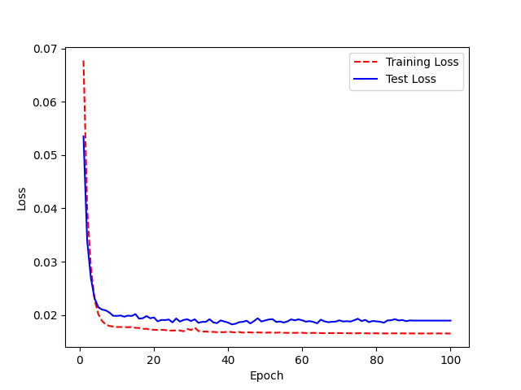
Model Name: LJ200_UAControl_FreezeE1.h5 Accuracy:89% (2% increase) | Base model: LJ Speech 200 epochs, WER 93% | Epoch | WER | Epoch | Accuracy
 |  | 0 | 0.984375 | 1 | 1.5625
model.summary before |  | 1 | 0.84375 | 2 | 15.625
 |  | 2 | 0.578125 | 3 | 42.1875
 |  | 3 | 0.40625 | 4 | 59.375
 |  | 4 | 0.234375 | 5 | 76.5625
 |  | 5 | 0.21875 | 6 | 78.125
 |  | 6 | 0.21875 | 7 | 78.125
 |  | 7 | 0.203125 | 8 | 79.6875
 |  | 8 | 0.25 | 9 | 75
 |  | 9 | 0.25 | 10 | 75
 |  | 10 | 0.234375 | 11 | 76.5625
 |  | 11 | 0.21875 | 12 | 78.125
 |  | 12 | 0.265625 | 13 | 73.4375
 |  | 13 | 0.171875 | 14 | 82.8125
 |  | 14 | 0.21875 | 15 | 78.125
 |  | 15 | 0.140625 | 16 | 85.9375
 |  | 16 | 0.1875 | 17 | 81.25
 |  | 17 | 0.203125 | 18 | 79.6875
model.summary after |  | 18 | 0.1875 | 19 | 81.25
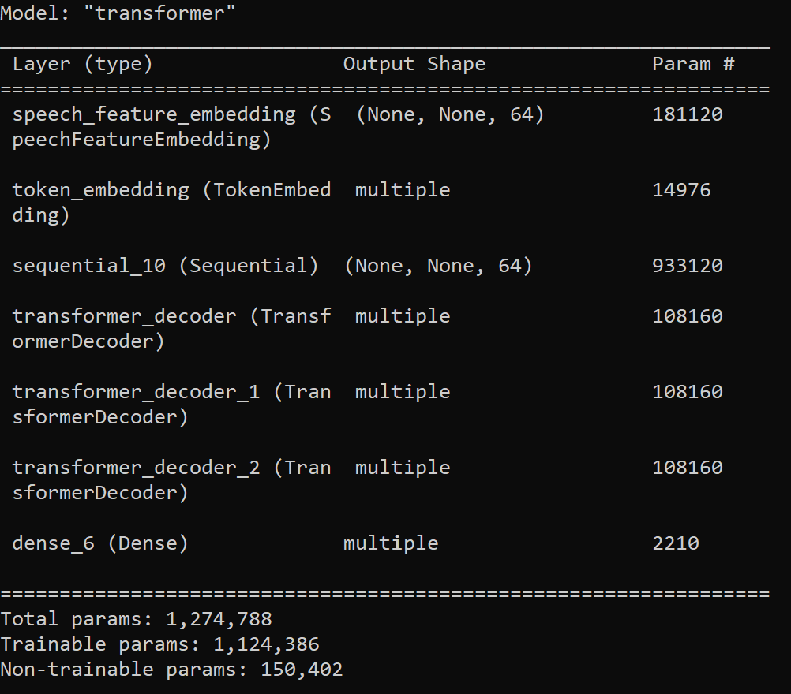
 |  | 19 | 0.125 | 20 | 87.5
 |  | 20 | 0.109375 | 21 | 89.0625
 |  | 21 | 0.140625 | 22 | 85.9375
 |  | 22 | 0.09375 | 23 | 90.625
 |  | 23 | 0.171875 | 24 | 82.8125
 |  | 24 | 0.140625 | 25 | 85.9375
 |  | 25 | 0.15625 | 26 | 84.375
 |  | 26 | 0.125 | 27 | 87.5
 |  | 27 | 0.171875 | 28 | 82.8125
 |  | 28 | 0.15625 | 29 | 84.375
 |  | 29 | 0.171875 | 30 | 82.8125
 |  | 30 | 0.125 | 31 | 87.5
 |  | 31 | 0.15625 | 32 | 84.375
 |  | 32 | 0.078125 | 33 | 92.1875
 |  | 33 | 0.140625 | 34 | 85.9375
 |  | 34 | 0.140625 | 35 | 85.9375
 |  | 35 | 0.109375 | 36 | 89.0625
 |  | 36 | 0.09375 | 37 | 90.625
 |  | 37 | 0.15625 | 38 | 84.375
 |  | 38 | 0.125 | 39 | 87.5
 |  | 39 | 0.09375 | 40 | 90.625
 |  | 40 | 0.09375 | 41 | 90.625
 |  | 41 | 0.078125 | 42 | 92.1875
 |  | 42 | 0.109375 | 43 | 89.0625
 |  | 43 | 0.125 | 44 | 87.5
 |  | 44 | 0.15625 | 45 | 84.375
 |  | 45 | 0.09375 | 46 | 90.625
 |  | 46 | 0.109375 | 47 | 89.0625
 |  | 47 | 0.125 | 48 | 87.5
 |  | 48 | 0.140625 | 49 | 85.9375
 |  | 49 | 0.171875 | 50 | 82.8125
 |  | 50 | 0.125 | 51 | 87.5
 |  | 51 | 0.171875 | 52 | 82.8125
 |  | 52 | 0.125 | 53 | 87.5
 |  | 53 | 0.078125 | 54 | 92.1875
 |  | 54 | 0.140625 | 55 | 85.9375
 |  | 55 | 0.140625 | 56 | 85.9375
 |  | 56 | 0.109375 | 57 | 89.0625
 |  | 57 | 0.140625 | 58 | 85.9375
 |  | 58 | 0.140625 | 59 | 85.9375
 |  | 59 | 0.15625 | 60 | 84.375
 |  | 60 | 0.15625 | 61 | 84.375
 |  | 61 | 0.140625 | 62 | 85.9375
 |  | 62 | 0.140625 | 63 | 85.9375
 |  | 63 | 0.109375 | 64 | 89.0625
 |  | 64 | 0.203125 | 65 | 79.6875
 |  | 65 | 0.125 | 66 | 87.5
 |  | 66 | 0.109375 | 67 | 89.0625
 |  | 67 | 0.125 | 68 | 87.5
 |  | 68 | 0.109375 | 69 | 89.0625
 |  | 69 | 0.140625 | 70 | 85.9375
 |  | 70 | 0.125 | 71 | 87.5
 |  | 71 | 0.109375 | 72 | 89.0625
 |  | 72 | 0.109375 | 73 | 89.0625
 |  | 73 | 0.109375 | 74 | 89.0625
 |  | 74 | 0.140625 | 75 | 85.9375
 |  | 75 | 0.125 | 76 | 87.5
 |  | 76 | 0.140625 | 77 | 85.9375
 |  | 77 | 0.140625 | 78 | 85.9375
 |  | 78 | 0.109375 | 79 | 89.0625
 |  | 79 | 0.125 | 80 | 87.5
 |  | 80 | 0.078125 | 81 | 92.1875
 |  | 81 | 0.078125 | 82 | 92.1875
 |  | 82 | 0.078125 | 83 | 92.1875
 |  | 83 | 0.09375 | 84 | 90.625
 |  | 84 | 0.125 | 85 | 87.5
 |  | 85 | 0.09375 | 86 | 90.625
 |  | 86 | 0.109375 | 87 | 89.0625
 |  | 87 | 0.109375 | 88 | 89.0625
 |  | 88 | 0.09375 | 89 | 90.625
 |  | 89 | 0.109375 | 90 | 89.0625
 |  | 90 | 0.109375 | 91 | 89.0625
 |  | 91 | 0.109375 | 92 | 89.0625
 |  | 92 | 0.109375 | 93 | 89.0625
 |  | 93 | 0.109375 | 94 | 89.0625
 |  | 94 | 0.109375 | 95 | 89.0625
 |  | 95 | 0.109375 | 96 | 89.0625
 |  | 96 | 0.109375 | 97 | 89.0625
 |  | 97 | 0.109375 | 98 | 89.0625
 |  | 98 | 0.109375 | 99 | 89.0625
 |  | 99 | 0.109375 | 100 | 89.0625

E2
Model Name: LJ200_UAControl_FreezeE2.h5 Accuracy:89% (2% increase) | Base model: LJ Speech 200 epochs, WER 93% | Epoch | WER | Epoch | Accuracy
 |  | 0 | 1 | 1 | 0
model.summary before |  | 1 | 0.859375 | 2 | 14.0625
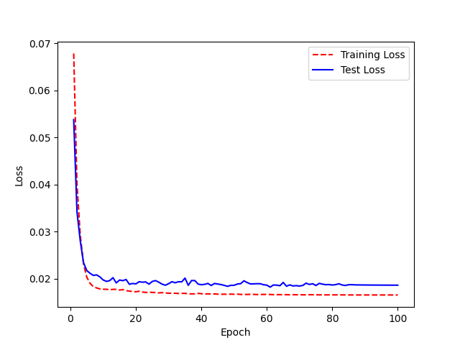
 |  | 2 | 0.671875 | 3 | 32.8125
 |  | 3 | 0.375 | 4 | 62.5
 |  | 4 | 0.28125 | 5 | 71.875
 |  | 5 | 0.296875 | 6 | 70.3125
 |  | 6 | 0.3125 | 7 | 68.75
 |  | 7 | 0.28125 | 8 | 71.875
 |  | 8 | 0.21875 | 9 | 78.125
 |  | 9 | 0.234375 | 10 | 76.5625
 |  | 10 | 0.21875 | 11 | 78.125
 |  | 11 | 0.1875 | 12 | 81.25
 |  | 12 | 0.28125 | 13 | 71.875
 |  | 13 | 0.15625 | 14 | 84.375
 |  | 14 | 0.1875 | 15 | 81.25
 |  | 15 | 0.21875 | 16 | 78.125
 |  | 16 | 0.203125 | 17 | 79.6875
 |  | 17 | 0.09375 | 18 | 90.625
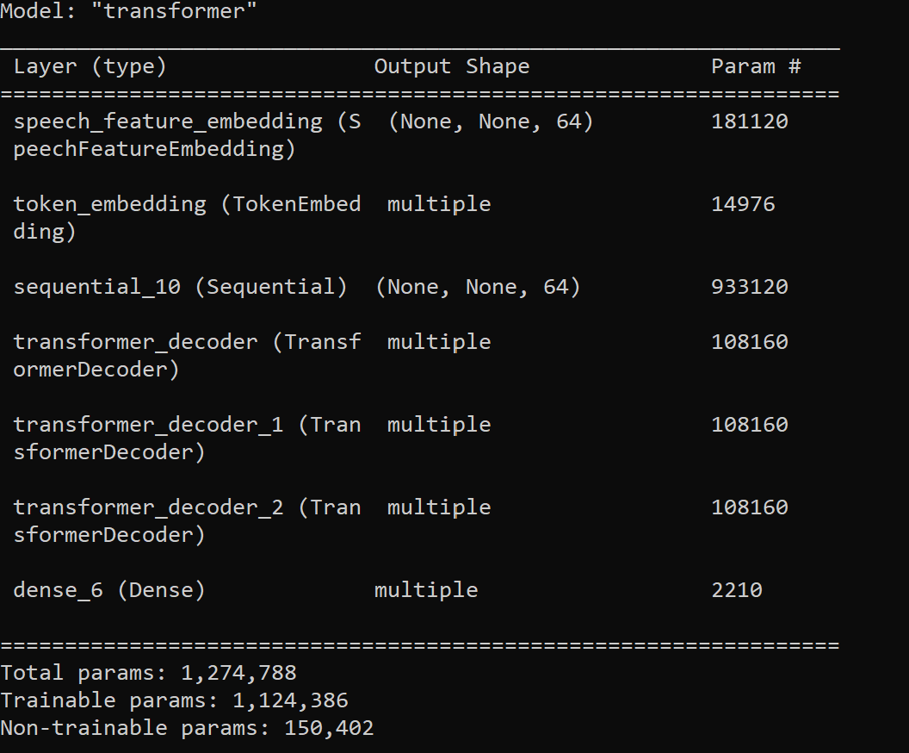
model.summary after |  | 18 | 0.1875 | 19 | 81.25
 |  | 19 | 0.171875 | 20 | 82.8125
 |  | 20 | 0.1875 | 21 | 81.25
 |  | 21 | 0.203125 | 22 | 79.6875
 |  | 22 | 0.125 | 23 | 87.5
 |  | 23 | 0.15625 | 24 | 84.375
 |  | 24 | 0.15625 | 25 | 84.375
 |  | 25 | 0.21875 | 26 | 78.125
 |  | 26 | 0.1875 | 27 | 81.25
 |  | 27 | 0.0625 | 28 | 93.75
 |  | 28 | 0.171875 | 29 | 82.8125
 |  | 29 | 0.125 | 30 | 87.5
 |  | 30 | 0.1875 | 31 | 81.25
 |  | 31 | 0.171875 | 32 | 82.8125
 |  | 32 | 0.234375 | 33 | 76.5625
 |  | 33 | 0.1875 | 34 | 81.25
 |  | 34 | 0.234375 | 35 | 76.5625
 |  | 35 | 0.15625 | 36 | 84.375
 |  | 36 | 0.15625 | 37 | 84.375
 |  | 37 | 0.171875 | 38 | 82.8125
 |  | 38 | 0.109375 | 39 | 89.0625
 |  | 39 | 0.140625 | 40 | 85.9375
 |  | 40 | 0.15625 | 41 | 84.375
 |  | 41 | 0.15625 | 42 | 84.375
 |  | 42 | 0.140625 | 43 | 85.9375
 |  | 43 | 0.171875 | 44 | 82.8125
 |  | 44 | 0.15625 | 45 | 84.375
 |  | 45 | 0.125 | 46 | 87.5
 |  | 46 | 0.09375 | 47 | 90.625
 |  | 47 | 0.125 | 48 | 87.5
 |  | 48 | 0.125 | 49 | 87.5
 |  | 49 | 0.109375 | 50 | 89.0625
 |  | 50 | 0.125 | 51 | 87.5
 |  | 51 | 0.140625 | 52 | 85.9375
 |  | 52 | 0.0625 | 53 | 93.75
 |  | 53 | 0.125 | 54 | 87.5
 |  | 54 | 0.140625 | 55 | 85.9375
 |  | 55 | 0.171875 | 56 | 82.8125
 |  | 56 | 0.109375 | 57 | 89.0625
 |  | 57 | 0.109375 | 58 | 89.0625
 |  | 58 | 0.125 | 59 | 87.5
 |  | 59 | 0.09375 | 60 | 90.625
 |  | 60 | 0.109375 | 61 | 89.0625
 |  | 61 | 0.15625 | 62 | 84.375
 |  | 62 | 0.125 | 63 | 87.5
 |  | 63 | 0.09375 | 64 | 90.625
 |  | 64 | 0.125 | 65 | 87.5
 |  | 65 | 0.078125 | 66 | 92.1875
 |  | 66 | 0.078125 | 67 | 92.1875
 |  | 67 | 0.078125 | 68 | 92.1875
 |  | 68 | 0.09375 | 69 | 90.625
 |  | 69 | 0.078125 | 70 | 92.1875
 |  | 70 | 0.078125 | 71 | 92.1875
 |  | 71 | 0.171875 | 72 | 82.8125
 |  | 72 | 0.109375 | 73 | 89.0625
 |  | 73 | 0.15625 | 74 | 84.375
 |  | 74 | 0.125 | 75 | 87.5
 |  | 75 | 0.109375 | 76 | 89.0625
 |  | 76 | 0.125 | 77 | 87.5
 |  | 77 | 0.125 | 78 | 87.5
 |  | 78 | 0.109375 | 79 | 89.0625
 |  | 79 | 0.125 | 80 | 87.5
 |  | 80 | 0.078125 | 81 | 92.1875
 |  | 81 | 0.09375 | 82 | 90.625
 |  | 82 | 0.078125 | 83 | 92.1875
 |  | 83 | 0.09375 | 84 | 90.625
 |  | 84 | 0.109375 | 85 | 89.0625
 |  | 85 | 0.09375 | 86 | 90.625
 |  | 86 | 0.09375 | 87 | 90.625
 |  | 87 | 0.09375 | 88 | 90.625
 |  | 88 | 0.09375 | 89 | 90.625
 |  | 89 | 0.09375 | 90 | 90.625
 |  | 90 | 0.09375 | 91 | 90.625
 |  | 91 | 0.09375 | 92 | 90.625
 |  | 92 | 0.09375 | 93 | 90.625
 |  | 93 | 0.09375 | 94 | 90.625
 |  | 94 | 0.09375 | 95 | 90.625
 |  | 95 | 0.09375 | 96 | 90.625
 |  | 96 | 0.109375 | 97 | 89.0625
 |  | 97 | 0.109375 | 98 | 89.0625
 |  | 98 | 0.109375 | 99 | 89.0625
 |  | 99 | 0.109375 | 100 | 89.0625

E12
Model Name: LJ200_UAControl_FreezeE12.h5 Accuracy:88% (1% increase) | Base model: LJ Speech 200 epochs, WER 93% | Epoch | WER | Epoch | Accuracy
 |  | 0 | 0.984375 | 1 | 1.5625
model.summary before |  | 1 | 0.90625 | 2 | 9.375
 |  | 2 | 0.734375 | 3 | 26.5625

 |  | 3 | 0.421875 | 4 | 57.8125
 |  | 4 | 0.3125 | 5 | 68.75
 |  | 5 | 0.265625 | 6 | 73.4375
 |  | 6 | 0.21875 | 7 | 78.125
 |  | 7 | 0.234375 | 8 | 76.5625
 |  | 8 | 0.265625 | 9 | 73.4375
 |  | 9 | 0.25 | 10 | 75
 |  | 10 | 0.265625 | 11 | 73.4375
 |  | 11 | 0.21875 | 12 | 78.125
 |  | 12 | 0.171875 | 13 | 82.8125
 |  | 13 | 0.15625 | 14 | 84.375
 |  | 14 | 0.21875 | 15 | 78.125
 |  | 15 | 0.140625 | 16 | 85.9375
 |  | 16 | 0.1875 | 17 | 81.25
 |  | 17 | 0.203125 | 18 | 79.6875
model.summary after |  | 18 | 0.25 | 19 | 75
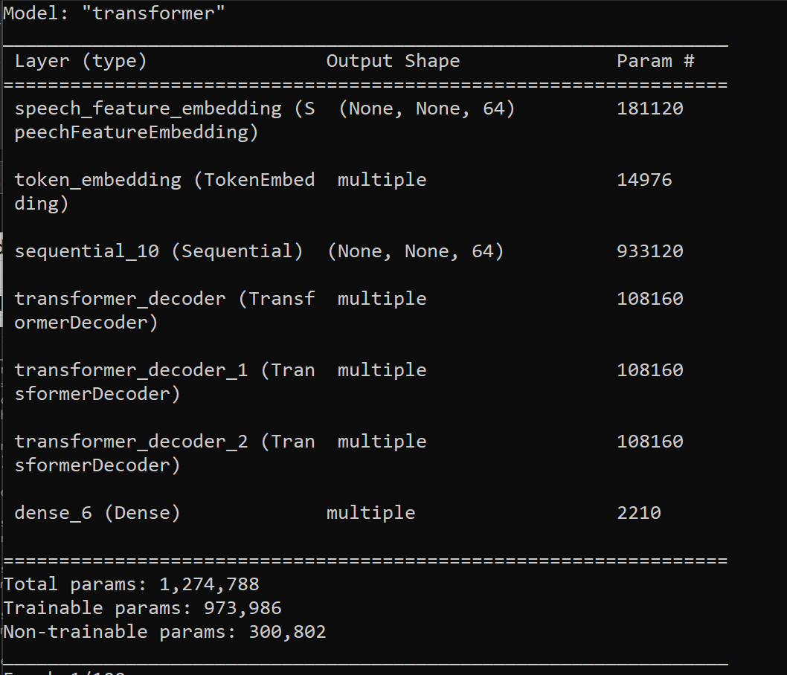
 |  | 19 | 0.171875 | 20 | 82.8125
 |  | 20 | 0.109375 | 21 | 89.0625
 |  | 21 | 0.171875 | 22 | 82.8125
 |  | 22 | 0.15625 | 23 | 84.375
 | Accuracy
 | 1.5625
 | 9.375
 | 26.5625
 | 57.8125
 | 68.75
 | 73.4375
 | 78.125
 | 76.5625
 | 73.4375
 | 75
 | 73.4375
 | 78.125
 | 82.8125
 | 84.375
 | 78.125
 | 85.9375
 | 81.25
 | 79.6875
 | 75
 | 82.8125
 | 89.0625
 | 82.8125
 | 84.375
 | 81.25
 | 87.5
 | 81.25
 | 84.375
 | 82.8125
 | 84.375
 | 79.6875
 | 81.25
 | 78.125
 | 85.9375
 | 79.6875
 | 87.5
 | 89.0625
 | 89.0625
 | 82.8125
 | 90.625
 | 87.5
 | 85.9375
 | 85.9375
 | 75
 | 76.5625
 | 82.8125
 | 85.9375
 | 85.9375
 | 87.5
 | 87.5
 | 79.6875
...
 |  | 23 | 0.1875 | 24 | 81.25
 |  | 24 | 0.125 | 25 | 87.5
 |  | 25 | 0.1875 | 26 | 81.25
 |  | 26 | 0.15625 | 27 | 84.375
 |  | 27 | 0.171875 | 28 | 82.8125
 |  | 28 | 0.15625 | 29 | 84.375
 |  | 29 | 0.203125 | 30 | 79.6875
 |  | 30 | 0.1875 | 31 | 81.25
 |  | 31 | 0.21875 | 32 | 78.125
 |  | 32 | 0.140625 | 33 | 85.9375
 |  | 33 | 0.203125 | 34 | 79.6875
 |  | 34 | 0.125 | 35 | 87.5
 |  | 35 | 0.109375 | 36 | 89.0625
 |  | 36 | 0.109375 | 37 | 89.0625
 |  | 37 | 0.171875 | 38 | 82.8125
 |  | 38 | 0.09375 | 39 | 90.625
 |  | 39 | 0.125 | 40 | 87.5
 |  | 40 | 0.140625 | 41 | 85.9375
 |  | 41 | 0.140625 | 42 | 85.9375
 |  | 42 | 0.25 | 43 | 75
 |  | 43 | 0.234375 | 44 | 76.5625
 |  | 44 | 0.171875 | 45 | 82.8125
 |  | 45 | 0.140625 | 46 | 85.9375
 |  | 46 | 0.140625 | 47 | 85.9375
 |  | 47 | 0.125 | 48 | 87.5
 |  | 48 | 0.125 | 49 | 87.5
 |  | 49 | 0.203125 | 50 | 79.6875
 |  | 50 | 0.109375 | 51 | 89.0625
 |  | 51 | 0.125 | 52 | 87.5
 |  | 52 | 0.09375 | 53 | 90.625
 |  | 53 | 0.125 | 54 | 87.5
 |  | 54 | 0.109375 | 55 | 89.0625
 |  | 55 | 0.09375 | 56 | 90.625
 |  | 56 | 0.15625 | 57 | 84.375
 |  | 57 | 0.125 | 58 | 87.5
 |  | 58 | 0.171875 | 59 | 82.8125
 |  | 59 | 0.15625 | 60 | 84.375
 |  | 60 | 0.125 | 61 | 87.5
 |  | 61 | 0.1875 | 62 | 81.25
 |  | 62 | 0.125 | 63 | 87.5
 |  | 63 | 0.125 | 64 | 87.5
 |  | 64 | 0.125 | 65 | 87.5
 |  | 65 | 0.140625 | 66 | 85.9375
 |  | 66 | 0.109375 | 67 | 89.0625
 |  | 67 | 0.109375 | 68 | 89.0625
 |  | 68 | 0.15625 | 69 | 84.375
 |  | 69 | 0.140625 | 70 | 85.9375
 |  | 70 | 0.15625 | 71 | 84.375
 |  | 71 | 0.15625 | 72 | 84.375
 |  | 72 | 0.171875 | 73 | 82.8125
 |  | 73 | 0.109375 | 74 | 89.0625
 |  | 74 | 0.15625 | 75 | 84.375
 |  | 75 | 0.15625 | 76 | 84.375
 |  | 76 | 0.109375 | 77 | 89.0625
 |  | 77 | 0.15625 | 78 | 84.375
 |  | 78 | 0.140625 | 79 | 85.9375
 |  | 79 | 0.125 | 80 | 87.5
 |  | 80 | 0.140625 | 81 | 85.9375
 |  | 81 | 0.203125 | 82 | 79.6875
 |  | 82 | 0.140625 | 83 | 85.9375
 |  | 83 | 0.125 | 84 | 87.5
 |  | 84 | 0.125 | 85 | 87.5
 |  | 85 | 0.125 | 86 | 87.5
 |  | 86 | 0.140625 | 87 | 85.9375
 |  | 87 | 0.125 | 88 | 87.5
 |  | 88 | 0.125 | 89 | 87.5
 |  | 89 | 0.125 | 90 | 87.5
 |  | 90 | 0.125 | 91 | 87.5
 |  | 91 | 0.125 | 92 | 87.5
 |  | 92 | 0.125 | 93 | 87.5
 |  | 93 | 0.125 | 94 | 87.5
 |  | 94 | 0.125 | 95 | 87.5
 |  | 95 | 0.125 | 96 | 87.5
 |  | 96 | 0.125 | 97 | 87.5
 |  | 97 | 0.125 | 98 | 87.5
 |  | 98 | 0.125 | 99 | 87.5
 |  | 99 | 0.125 | 100 | 87.5
 |  | <__main__.DisplayOutputs object at 0x7feeb3a49910> | 0.125
 |  | <__main__.DisplayOutputs object at 0x7feeb3a49910> | 0.125
 |  | <__main__.DisplayOutputs object at 0x7feeb3a49910> | 0.078125
 |  | <__main__.DisplayOutputs object at 0x7feeb3a49910> | 0.09375
 |  | <__main__.DisplayOutputs object at 0x7feeb3a49910> | 0.140625
 |  | <__main__.DisplayOutputs object at 0x7feeb3a49910> | 0.078125
 |  | <__main__.DisplayOutputs object at 0x7feeb3a49910> | 0.109375
 |  | <__main__.DisplayOutputs object at 0x7feeb3a49910> | 0.15625
 |  | <__main__.DisplayOutputs object at 0x7feeb3a49910> | 0.046875
 |  | <__main__.DisplayOutputs object at 0x7feeb3a49910> | 0.125
 |  | <__main__.DisplayOutputs object at 0x7feeb3a49910> | 0.046875
 |  | <__main__.DisplayOutputs object at 0x7feeb3a49910> | 0.171875
 |  | <__main__.DisplayOutputs object at 0x7feeb3a49910> | 0.140625
 |  | <__main__.DisplayOutputs object at 0x7feeb3a49910> | 0.109375
 |  | <__main__.DisplayOutputs object at 0x7feeb3a49910> | 0.078125
 |  | <__main__.DisplayOutputs object at 0x7feeb3a49910> | 0.140625
 |  | <__main__.DisplayOutputs object at 0x7feeb3a49910> | 0.171875
 |  | <__main__.DisplayOutputs object at 0x7feeb3a49910> | 0.15625
 |  | <__main__.DisplayOutputs object at 0x7feeb3a49910> | 0.125
 |  | <__main__.DisplayOutputs object at 0x7feeb3a49910> | 0.09375
 |  | <__main__.DisplayOutputs object at 0x7feeb3a49910> | 0.0625
 |  | <__main__.DisplayOutputs object at 0x7feeb3a49910> | 0.09375
 |  | <__main__.DisplayOutputs object at 0x7feeb3a49910> | 0.125
 |  | <__main__.DisplayOutputs object at 0x7feeb3a49910> | 0.078125
 |  | <__main__.DisplayOutputs object at 0x7feeb3a49910> | 0.125
 |  | <__main__.DisplayOutputs object at 0x7feeb3a49910> | 0.078125
 |  | <__main__.DisplayOutputs object at 0x7feeb3a49910> | 0.125
 |  | <__main__.DisplayOutputs object at 0x7feeb3a49910> | 0.125
 |  | <__main__.DisplayOutputs object at 0x7feeb3a49910> | 0.25
 |  | <__main__.DisplayOutputs object at 0x7feeb3a49910> | 0.109375
 |  | <__main__.DisplayOutputs object at 0x7feeb3a49910> | 0.15625
 |  | <__main__.DisplayOutputs object at 0x7feeb3a49910> | 0.125
 |  | <__main__.DisplayOutputs object at 0x7feeb3a49910> | 0.15625
 |  | <__main__.DisplayOutputs object at 0x7feeb3a49910> | 0.109375
 |  | <__main__.DisplayOutputs object at 0x7feeb3a49910> | 0.15625
 |  | <__main__.DisplayOutputs object at 0x7feeb3a49910> | 0.203125
 |  | <__main__.DisplayOutputs object at 0x7feeb3a49910> | 0.0625
 |  | <__main__.DisplayOutputs object at 0x7feeb3a49910> | 0.109375
 |  | <__main__.DisplayOutputs object at 0x7feeb3a49910> | 0.109375
 |  | <__main__.DisplayOutputs object at 0x7feeb3a49910> | 0.171875
 |  | <__main__.DisplayOutputs object at 0x7feeb3a49910> | 0.125
 |  | <__main__.DisplayOutputs object at 0x7feeb3a49910> | 0.0625
 |  | <__main__.DisplayOutputs object at 0x7feeb3a49910> | 0.046875
 |  | <__main__.DisplayOutputs object at 0x7feeb3a49910> | 0.203125
 |  | <__main__.DisplayOutputs object at 0x7feeb3a49910> | 0.21875
 |  | <__main__.DisplayOutputs object at 0x7feeb3a49910> | 0.125
 |  | <__main__.DisplayOutputs object at 0x7feeb3a49910> | 0.140625
 |  | <__main__.DisplayOutputs object at 0x7feeb3a49910> | 0.0625
 |  | <__main__.DisplayOutputs object at 0x7feeb3a49910> | 0.140625
 |  | <__main__.DisplayOutputs object at 0x7feeb3a49910> | 0.109375
 |  | <__main__.DisplayOutputs object at 0x7feeb3a49910> | 0.072727272727

E123
Model Name: LJ200_UAControl_FreezeE123.h5 Accuracy:90% (3% increase) | Base model: LJ Speech 200 epochs, WER 93% | Epoch | WER | Epoch | Accuracy
 |  | 0 | 1 | 1 | 0
model.summary before |  | 1 | 0.9375 | 2 | 6.25
 |  | 2 | 0.8125 | 3 | 18.75
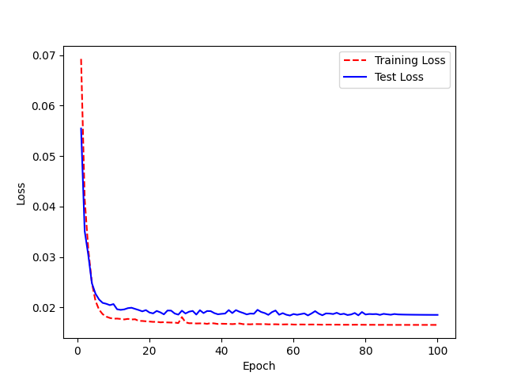
 |  | 3 | 0.40625 | 4 | 59.375
 |  | 4 | 0.390625 | 5 | 60.9375
 |  | 5 | 0.328125 | 6 | 67.1875
 |  | 6 | 0.203125 | 7 | 79.6875
 |  | 7 | 0.203125 | 8 | 79.6875
 |  | 8 | 0.1875 | 9 | 81.25
 |  | 9 | 0.234375 | 10 | 76.5625
 |  | 10 | 0.15625 | 11 | 84.375
 |  | 11 | 0.1875 | 12 | 81.25
 |  | 12 | 0.21875 | 13 | 78.125
 |  | 13 | 0.125 | 14 | 87.5
 |  | 14 | 0.171875 | 15 | 82.8125
 |  | 15 | 0.21875 | 16 | 78.125
 |  | 16 | 0.171875 | 17 | 82.8125
 |  | 17 | 0.15625 | 18 | 84.375
model.summary after |  | 18 | 0.140625 | 19 | 85.9375
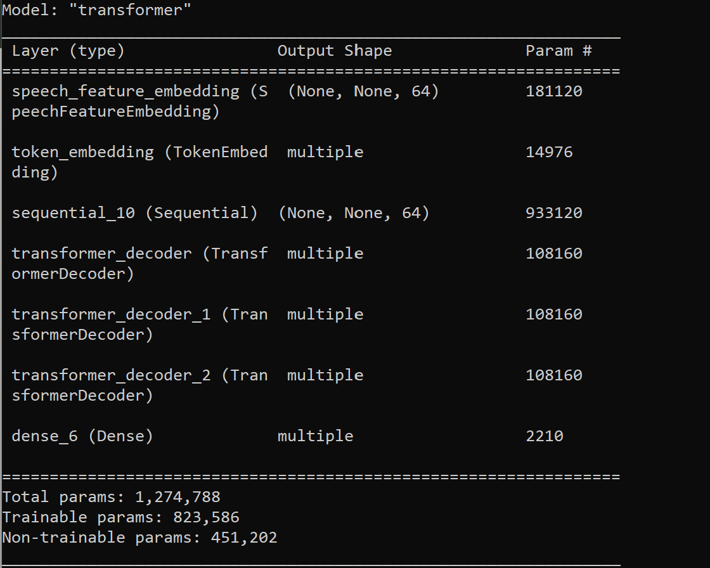
 |  | 19 | 0.140625 | 20 | 85.9375
 |  | 20 | 0.09375 | 21 | 90.625
 | Accuracy
 | 0
 | 6.25
 | 18.75
 | 59.375
 | 60.9375
 | 67.1875
 | 79.6875
 | 79.6875
 | 81.25
 | 76.5625
 | 84.375
 | 81.25
 | 78.125
 | 87.5
 | 82.8125
 | 78.125
 | 82.8125
 | 84.375
 | 85.9375
 | 85.9375
 | 90.625
 | 87.5
 | 85.9375
 | 84.375
 | 84.375
 | 85.9375
 | 85.9375
 | 84.375
 | 78.125
 | 84.375
 | 87.5
 | 87.5
 | 85.9375
 | 81.25
 | 90.625
 | 87.5
 | 85.9375
 | 90.625
 | 87.5
 | 85.9375
 | 90.625
 | 84.375
 | 85.9375
 | 84.375
 | 84.375
 | 89.0625
 | 89.0625
 | 85.9375
 | 85.9375
 | 84.375
...
 |  | 21 | 0.125 | 22 | 87.5
 |  | 22 | 0.140625 | 23 | 85.9375
 |  | 23 | 0.15625 | 24 | 84.375
 |  | 24 | 0.15625 | 25 | 84.375
 |  | 25 | 0.140625 | 26 | 85.9375
 |  | 26 | 0.140625 | 27 | 85.9375
 |  | 27 | 0.15625 | 28 | 84.375
 |  | 28 | 0.21875 | 29 | 78.125
 |  | 29 | 0.15625 | 30 | 84.375
 |  | 30 | 0.125 | 31 | 87.5
 |  | 31 | 0.125 | 32 | 87.5
 |  | 32 | 0.140625 | 33 | 85.9375
 |  | 33 | 0.1875 | 34 | 81.25
 |  | 34 | 0.09375 | 35 | 90.625
 |  | 35 | 0.125 | 36 | 87.5
 |  | 36 | 0.140625 | 37 | 85.9375
 |  | 37 | 0.09375 | 38 | 90.625
 |  | 38 | 0.125 | 39 | 87.5
 |  | 39 | 0.140625 | 40 | 85.9375
 |  | 40 | 0.09375 | 41 | 90.625
 |  | 41 | 0.15625 | 42 | 84.375
 |  | 42 | 0.140625 | 43 | 85.9375
 |  | 43 | 0.15625 | 44 | 84.375
 |  | 44 | 0.15625 | 45 | 84.375
 |  | 45 | 0.109375 | 46 | 89.0625
 |  | 46 | 0.109375 | 47 | 89.0625
 |  | 47 | 0.140625 | 48 | 85.9375
 |  | 48 | 0.140625 | 49 | 85.9375
 |  | 49 | 0.15625 | 50 | 84.375
 |  | 50 | 0.15625 | 51 | 84.375
 |  | 51 | 0.125 | 52 | 87.5
 |  | 52 | 0.125 | 53 | 87.5
 |  | 53 | 0.125 | 54 | 87.5
 |  | 54 | 0.140625 | 55 | 85.9375
 |  | 55 | 0.140625 | 56 | 85.9375
 |  | 56 | 0.125 | 57 | 87.5
 |  | 57 | 0.125 | 58 | 87.5
 |  | 58 | 0.0625 | 59 | 93.75
 |  | 59 | 0.109375 | 60 | 89.0625
 |  | 60 | 0.09375 | 61 | 90.625
 |  | 61 | 0.09375 | 62 | 90.625
 |  | 62 | 0.09375 | 63 | 90.625
 |  | 63 | 0.09375 | 64 | 90.625
 |  | 64 | 0.09375 | 65 | 90.625
 |  | 65 | 0.15625 | 66 | 84.375
 |  | 66 | 0.140625 | 67 | 85.9375
 |  | 67 | 0.09375 | 68 | 90.625
 |  | 68 | 0.109375 | 69 | 89.0625
 |  | 69 | 0.0625 | 70 | 93.75
 |  | 70 | 0.0625 | 71 | 93.75
 |  | 71 | 0.09375 | 72 | 90.625
 |  | 72 | 0.078125 | 73 | 92.1875
 |  | 73 | 0.09375 | 74 | 90.625
 |  | 74 | 0.109375 | 75 | 89.0625
 |  | 75 | 0.0625 | 76 | 93.75
 |  | 76 | 0.09375 | 77 | 90.625
 |  | 77 | 0.0625 | 78 | 93.75
 |  | 78 | 0.078125 | 79 | 92.1875
 |  | 79 | 0.078125 | 80 | 92.1875
 |  | 80 | 0.046875 | 81 | 95.3125
 |  | 81 | 0.109375 | 82 | 89.0625
 |  | 82 | 0.09375 | 83 | 90.625
 |  | 83 | 0.046875 | 84 | 95.3125
 |  | 84 | 0.078125 | 85 | 92.1875
 |  | 85 | 0.078125 | 86 | 92.1875
 |  | 86 | 0.078125 | 87 | 92.1875
 |  | 87 | 0.0625 | 88 | 93.75
 |  | 88 | 0.078125 | 89 | 92.1875
 |  | 89 | 0.0625 | 90 | 93.75
 |  | 90 | 0.0625 | 91 | 93.75
 |  | 91 | 0.0625 | 92 | 93.75
 |  | 92 | 0.0625 | 93 | 93.75
 |  | 93 | 0.0625 | 94 | 93.75
 |  | 94 | 0.0625 | 95 | 93.75
 |  | 95 | 0.0625 | 96 | 93.75
 |  | 96 | 0.0625 | 97 | 93.75
 |  | 97 | 0.0625 | 98 | 93.75
 |  | 98 | 0.0625 | 99 | 93.75
 |  | 99 | 0.0625 | 100 | 93.75
 |  | <__main__.DisplayOutputs object at 0x7fd9d1c2c820> | 0.0625
 |  | <__main__.DisplayOutputs object at 0x7fd9d1c2c820> | 0.09375
 |  | <__main__.DisplayOutputs object at 0x7fd9d1c2c820> | 0.09375
 |  | <__main__.DisplayOutputs object at 0x7fd9d1c2c820> | 0.125
 |  | <__main__.DisplayOutputs object at 0x7fd9d1c2c820> | 0.109375
 |  | <__main__.DisplayOutputs object at 0x7fd9d1c2c820> | 0.09375
 |  | <__main__.DisplayOutputs object at 0x7fd9d1c2c820> | 0.09375
 |  | <__main__.DisplayOutputs object at 0x7fd9d1c2c820> | 0.125
 |  | <__main__.DisplayOutputs object at 0x7fd9d1c2c820> | 0.109375
 |  | <__main__.DisplayOutputs object at 0x7fd9d1c2c820> | 0.171875
 |  | <__main__.DisplayOutputs object at 0x7fd9d1c2c820> | 0.09375
 |  | <__main__.DisplayOutputs object at 0x7fd9d1c2c820> | 0.140625
 |  | <__main__.DisplayOutputs object at 0x7fd9d1c2c820> | 0.0625
 |  | <__main__.DisplayOutputs object at 0x7fd9d1c2c820> | 0.078125
 |  | <__main__.DisplayOutputs object at 0x7fd9d1c2c820> | 0.0625
 |  | <__main__.DisplayOutputs object at 0x7fd9d1c2c820> | 0.109375
 |  | <__main__.DisplayOutputs object at 0x7fd9d1c2c820> | 0.140625
 |  | <__main__.DisplayOutputs object at 0x7fd9d1c2c820> | 0.09375
 |  | <__main__.DisplayOutputs object at 0x7fd9d1c2c820> | 0.0625
 |  | <__main__.DisplayOutputs object at 0x7fd9d1c2c820> | 0.109375
 |  | <__main__.DisplayOutputs object at 0x7fd9d1c2c820> | 0.046875
 |  | <__main__.DisplayOutputs object at 0x7fd9d1c2c820> | 0.0625
 |  | <__main__.DisplayOutputs object at 0x7fd9d1c2c820> | 0.09375
 |  | <__main__.DisplayOutputs object at 0x7fd9d1c2c820> | 0.078125
 |  | <__main__.DisplayOutputs object at 0x7fd9d1c2c820> | 0.09375
 |  | <__main__.DisplayOutputs object at 0x7fd9d1c2c820> | 0.078125
 |  | <__main__.DisplayOutputs object at 0x7fd9d1c2c820> | 0.078125
 |  | <__main__.DisplayOutputs object at 0x7fd9d1c2c820> | 0.125
 |  | <__main__.DisplayOutputs object at 0x7fd9d1c2c820> | 0.203125
 |  | <__main__.DisplayOutputs object at 0x7fd9d1c2c820> | 0.109375
 |  | <__main__.DisplayOutputs object at 0x7fd9d1c2c820> | 0.109375
 |  | <__main__.DisplayOutputs object at 0x7fd9d1c2c820> | 0.125
 |  | <__main__.DisplayOutputs object at 0x7fd9d1c2c820> | 0.125
 |  | <__main__.DisplayOutputs object at 0x7fd9d1c2c820> | 0.046875
 |  | <__main__.DisplayOutputs object at 0x7fd9d1c2c820> | 0.125
 |  | <__main__.DisplayOutputs object at 0x7fd9d1c2c820> | 0.109375
 |  | <__main__.DisplayOutputs object at 0x7fd9d1c2c820> | 0.09375
 |  | <__main__.DisplayOutputs object at 0x7fd9d1c2c820> | 0.03125
 |  | <__main__.DisplayOutputs object at 0x7fd9d1c2c820> | 0.09375
 |  | <__main__.DisplayOutputs object at 0x7fd9d1c2c820> | 0.078125
 |  | <__main__.DisplayOutputs object at 0x7fd9d1c2c820> | 0.09375
 |  | <__main__.DisplayOutputs object at 0x7fd9d1c2c820> | 0.125
 |  | <__main__.DisplayOutputs object at 0x7fd9d1c2c820> | 0.0625
 |  | <__main__.DisplayOutputs object at 0x7fd9d1c2c820> | 0.171875
 |  | <__main__.DisplayOutputs object at 0x7fd9d1c2c820> | 0.109375
 |  | <__main__.DisplayOutputs object at 0x7fd9d1c2c820> | 0.109375
 |  | <__main__.DisplayOutputs object at 0x7fd9d1c2c820> | 0.125
 |  | <__main__.DisplayOutputs object at 0x7fd9d1c2c820> | 0.046875
 |  | <__main__.DisplayOutputs object at 0x7fd9d1c2c820> | 0.15625
 |  | <__main__.DisplayOutputs object at 0x7fd9d1c2c820> | 0.109375
 |  | <__main__.DisplayOutputs object at 0x7fd9d1c2c820> | 0.036363636364

E1234
Model Name: LJ200_UAControl_FreezeE1234.h5 Accuracy:88% (1% increase) | Base model: LJ Speech 200 epochs, WER 93% | Epoch | WER | Epoch | Accuracy
 |  | 0 | 0.984375 | 1 | 1.5625
model.summary before |  | 1 | 0.921875 | 2 | 7.8125
 |  | 2 | 0.71875 | 3 | 28.125
 |  | 3 | 0.53125 | 4 | 46.875

 |  | 4 | 0.375 | 5 | 62.5
 |  | 5 | 0.328125 | 6 | 67.1875
 |  | 6 | 0.28125 | 7 | 71.875
 |  | 7 | 0.265625 | 8 | 73.4375
 |  | 8 | 0.265625 | 9 | 73.4375
 |  | 9 | 0.234375 | 10 | 76.5625
 |  | 10 | 0.265625 | 11 | 73.4375
 |  | 11 | 0.1875 | 12 | 81.25
 |  | 12 | 0.1875 | 13 | 81.25
 |  | 13 | 0.21875 | 14 | 78.125
 |  | 14 | 0.265625 | 15 | 73.4375
 |  | 15 | 0.203125 | 16 | 79.6875
 |  | 16 | 0.1875 | 17 | 81.25
 |  | 17 | 0.296875 | 18 | 70.3125
model.summary after |  | 18 | 0.21875 | 19 | 78.125
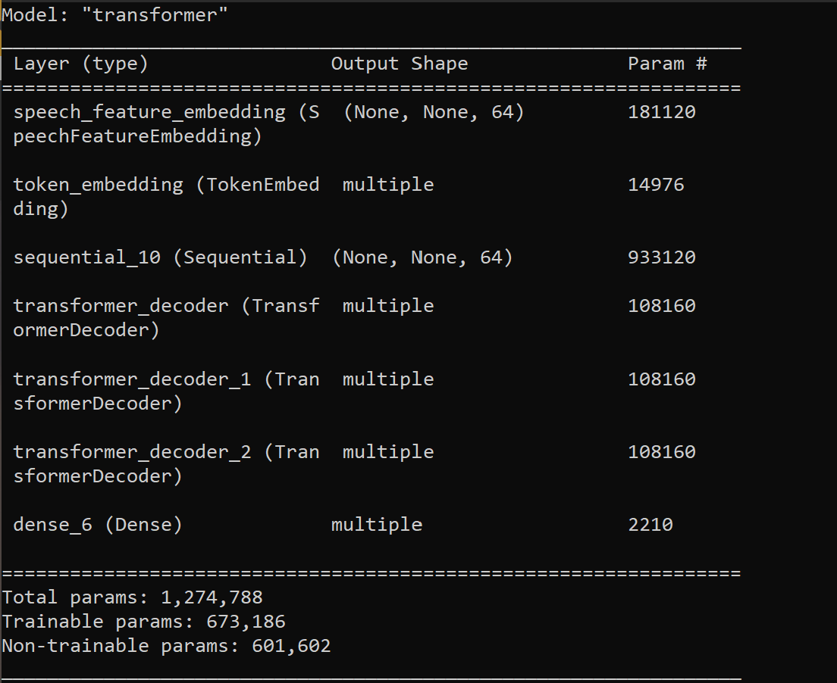
 |  | 19 | 0.203125 | 20 | 79.6875
 |  | 20 | 0.234375 | 21 | 76.5625
 | Accuracy
 | 1.5625
 | 7.8125
 | 28.125
 | 46.875
 | 62.5
 | 67.1875
 | 71.875
 | 73.4375
 | 73.4375
 | 76.5625
 | 73.4375
 | 81.25
 | 81.25
 | 78.125
 | 73.4375
 | 79.6875
 | 81.25
 | 70.3125
 | 78.125
 | 79.6875
 | 76.5625
 | 82.8125
 | 85.9375
 | 84.375
 | 85.9375
 | 81.25
 | 87.5
 | 81.25
 | 85.9375
 | 85.9375
 | 82.8125
 | 84.375
 | 85.9375
 | 81.25
 | 87.5
 | 84.375
 | 79.6875
 | 82.8125
 | 87.5
 | 84.375
 | 85.9375
 | 82.8125
 | 82.8125
 | 84.375
 | 85.9375
 | 82.8125
 | 82.8125
 | 81.25
 | 89.0625
 | 81.25
...
 |  | 21 | 0.171875 | 22 | 82.8125
 |  | 22 | 0.140625 | 23 | 85.9375
 |  | 23 | 0.15625 | 24 | 84.375
 |  | 24 | 0.140625 | 25 | 85.9375
 |  | 25 | 0.1875 | 26 | 81.25
 |  | 26 | 0.125 | 27 | 87.5
 |  | 27 | 0.1875 | 28 | 81.25
 |  | 28 | 0.140625 | 29 | 85.9375
 |  | 29 | 0.140625 | 30 | 85.9375
 |  | 30 | 0.171875 | 31 | 82.8125
 |  | 31 | 0.15625 | 32 | 84.375
 |  | 32 | 0.140625 | 33 | 85.9375
 |  | 33 | 0.1875 | 34 | 81.25
 |  | 34 | 0.125 | 35 | 87.5
 |  | 35 | 0.15625 | 36 | 84.375
 |  | 36 | 0.203125 | 37 | 79.6875
 |  | 37 | 0.171875 | 38 | 82.8125
 |  | 38 | 0.125 | 39 | 87.5
 |  | 39 | 0.15625 | 40 | 84.375
 |  | 40 | 0.140625 | 41 | 85.9375
 |  | 41 | 0.171875 | 42 | 82.8125
 |  | 42 | 0.171875 | 43 | 82.8125
 |  | 43 | 0.15625 | 44 | 84.375
 |  | 44 | 0.140625 | 45 | 85.9375
 |  | 45 | 0.171875 | 46 | 82.8125
 |  | 46 | 0.171875 | 47 | 82.8125
 |  | 47 | 0.1875 | 48 | 81.25
 |  | 48 | 0.109375 | 49 | 89.0625
 |  | 49 | 0.1875 | 50 | 81.25
 |  | 50 | 0.109375 | 51 | 89.0625
 |  | 51 | 0.140625 | 52 | 85.9375
 |  | 52 | 0.125 | 53 | 87.5
 |  | 53 | 0.203125 | 54 | 79.6875
 |  | 54 | 0.125 | 55 | 87.5
 |  | 55 | 0.140625 | 56 | 85.9375
 |  | 56 | 0.15625 | 57 | 84.375
 |  | 57 | 0.140625 | 58 | 85.9375
 |  | 58 | 0.140625 | 59 | 85.9375
 |  | 59 | 0.09375 | 60 | 90.625
 |  | 60 | 0.171875 | 61 | 82.8125
 |  | 61 | 0.109375 | 62 | 89.0625
 |  | 62 | 0.109375 | 63 | 89.0625
 |  | 63 | 0.09375 | 64 | 90.625
 |  | 64 | 0.109375 | 65 | 89.0625
 |  | 65 | 0.140625 | 66 | 85.9375
 |  | 66 | 0.125 | 67 | 87.5
 |  | 67 | 0.125 | 68 | 87.5
 |  | 68 | 0.140625 | 69 | 85.9375
 |  | 69 | 0.109375 | 70 | 89.0625
 |  | 70 | 0.203125 | 71 | 79.6875
 |  | 71 | 0.15625 | 72 | 84.375
 |  | 72 | 0.109375 | 73 | 89.0625
 |  | 73 | 0.078125 | 74 | 92.1875
 |  | 74 | 0.078125 | 75 | 92.1875
 |  | 75 | 0.09375 | 76 | 90.625
 |  | 76 | 0.078125 | 77 | 92.1875
 |  | 77 | 0.09375 | 78 | 90.625
 |  | 78 | 0.078125 | 79 | 92.1875
 |  | 79 | 0.09375 | 80 | 90.625
 |  | 80 | 0.125 | 81 | 87.5
 |  | 81 | 0.125 | 82 | 87.5
 |  | 82 | 0.109375 | 83 | 89.0625
 |  | 83 | 0.09375 | 84 | 90.625
 |  | 84 | 0.125 | 85 | 87.5
 |  | 85 | 0.15625 | 86 | 84.375
 |  | 86 | 0.125 | 87 | 87.5
 |  | 87 | 0.09375 | 88 | 90.625
 |  | 88 | 0.09375 | 89 | 90.625
 |  | 89 | 0.109375 | 90 | 89.0625
 |  | 90 | 0.109375 | 91 | 89.0625
 |  | 91 | 0.125 | 92 | 87.5
 |  | 92 | 0.125 | 93 | 87.5
 |  | 93 | 0.125 | 94 | 87.5
 |  | 94 | 0.125 | 95 | 87.5
 |  | 95 | 0.109375 | 96 | 89.0625
 |  | 96 | 0.109375 | 97 | 89.0625
 |  | 97 | 0.109375 | 98 | 89.0625
 |  | 98 | 0.109375 | 99 | 89.0625
 |  | 99 | 0.125 | 100 | 87.5
 |  | <__main__.DisplayOutputs object at 0x7fd9d1c2c820> | 0.0625
 |  | <__main__.DisplayOutputs object at 0x7fd9d1c2c820> | 0.09375
 |  | <__main__.DisplayOutputs object at 0x7fd9d1c2c820> | 0.09375
 |  | <__main__.DisplayOutputs object at 0x7fd9d1c2c820> | 0.125
 |  | <__main__.DisplayOutputs object at 0x7fd9d1c2c820> | 0.109375
 |  | <__main__.DisplayOutputs object at 0x7fd9d1c2c820> | 0.09375
 |  | <__main__.DisplayOutputs object at 0x7fd9d1c2c820> | 0.09375
 |  | <__main__.DisplayOutputs object at 0x7fd9d1c2c820> | 0.125
 |  | <__main__.DisplayOutputs object at 0x7fd9d1c2c820> | 0.109375
 |  | <__main__.DisplayOutputs object at 0x7fd9d1c2c820> | 0.171875
 |  | <__main__.DisplayOutputs object at 0x7fd9d1c2c820> | 0.09375
 |  | <__main__.DisplayOutputs object at 0x7fd9d1c2c820> | 0.140625
 |  | <__main__.DisplayOutputs object at 0x7fd9d1c2c820> | 0.0625
 |  | <__main__.DisplayOutputs object at 0x7fd9d1c2c820> | 0.078125
 |  | <__main__.DisplayOutputs object at 0x7fd9d1c2c820> | 0.0625
 |  | <__main__.DisplayOutputs object at 0x7fd9d1c2c820> | 0.109375
 |  | <__main__.DisplayOutputs object at 0x7fd9d1c2c820> | 0.140625
 |  | <__main__.DisplayOutputs object at 0x7fd9d1c2c820> | 0.09375
 |  | <__main__.DisplayOutputs object at 0x7fd9d1c2c820> | 0.0625
 |  | <__main__.DisplayOutputs object at 0x7fd9d1c2c820> | 0.109375
 |  | <__main__.DisplayOutputs object at 0x7fd9d1c2c820> | 0.046875
 |  | <__main__.DisplayOutputs object at 0x7fd9d1c2c820> | 0.0625
 |  | <__main__.DisplayOutputs object at 0x7fd9d1c2c820> | 0.09375
 |  | <__main__.DisplayOutputs object at 0x7fd9d1c2c820> | 0.078125
 |  | <__main__.DisplayOutputs object at 0x7fd9d1c2c820> | 0.09375
 |  | <__main__.DisplayOutputs object at 0x7fd9d1c2c820> | 0.078125
 |  | <__main__.DisplayOutputs object at 0x7fd9d1c2c820> | 0.078125
 |  | <__main__.DisplayOutputs object at 0x7fd9d1c2c820> | 0.125
 |  | <__main__.DisplayOutputs object at 0x7fd9d1c2c820> | 0.203125
 |  | <__main__.DisplayOutputs object at 0x7fd9d1c2c820> | 0.109375
 |  | <__main__.DisplayOutputs object at 0x7fd9d1c2c820> | 0.109375
 |  | <__main__.DisplayOutputs object at 0x7fd9d1c2c820> | 0.125
 |  | <__main__.DisplayOutputs object at 0x7fd9d1c2c820> | 0.125
 |  | <__main__.DisplayOutputs object at 0x7fd9d1c2c820> | 0.046875
 |  | <__main__.DisplayOutputs object at 0x7fd9d1c2c820> | 0.125
 |  | <__main__.DisplayOutputs object at 0x7fd9d1c2c820> | 0.109375
 |  | <__main__.DisplayOutputs object at 0x7fd9d1c2c820> | 0.09375
 |  | <__main__.DisplayOutputs object at 0x7fd9d1c2c820> | 0.03125
 |  | <__main__.DisplayOutputs object at 0x7fd9d1c2c820> | 0.09375
 |  | <__main__.DisplayOutputs object at 0x7fd9d1c2c820> | 0.078125
 |  | <__main__.DisplayOutputs object at 0x7fd9d1c2c820> | 0.09375
 |  | <__main__.DisplayOutputs object at 0x7fd9d1c2c820> | 0.125
 |  | <__main__.DisplayOutputs object at 0x7fd9d1c2c820> | 0.0625
 |  | <__main__.DisplayOutputs object at 0x7fd9d1c2c820> | 0.171875
 |  | <__main__.DisplayOutputs object at 0x7fd9d1c2c820> | 0.109375
 |  | <__main__.DisplayOutputs object at 0x7fd9d1c2c820> | 0.109375
 |  | <__main__.DisplayOutputs object at 0x7fd9d1c2c820> | 0.125
 |  | <__main__.DisplayOutputs object at 0x7fd9d1c2c820> | 0.046875
 |  | <__main__.DisplayOutputs object at 0x7fd9d1c2c820> | 0.15625
 |  | <__main__.DisplayOutputs object at 0x7fd9d1c2c820> | 0.109375
 |  | <__main__.DisplayOutputs object at 0x7fd9d1c2c820> | 0.036363636364

E12345
Model Name: LJ200_UAControl_FreezeE12345.h5 Accuracy:87% (0% increase) | Base model: LJ Speech 200 epochs, WER 93% | Epoch | WER | Epoch | Accuracy
 |  | 0 | 0.984375 | 1 | 1.5625
model.summary before |  | 1 | 0.9375 | 2 | 6.25
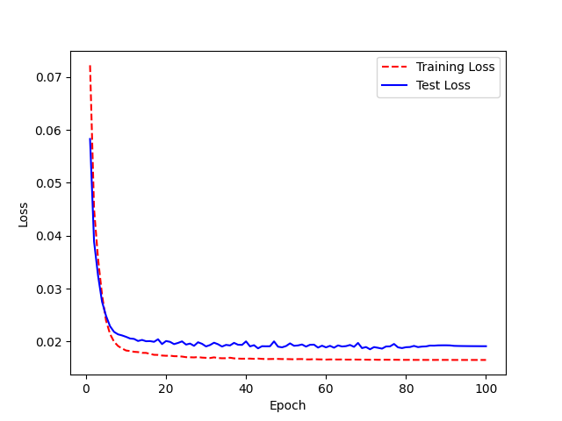
 |  | 2 | 0.75 | 3 | 25
 |  | 3 | 0.609375 | 4 | 39.0625
 |  | 4 | 0.40625 | 5 | 59.375
 |  | 5 | 0.296875 | 6 | 70.3125
 |  | 6 | 0.28125 | 7 | 71.875
 |  | 7 | 0.21875 | 8 | 78.125
 |  | 8 | 0.265625 | 9 | 73.4375
 |  | 9 | 0.28125 | 10 | 71.875
 |  | 10 | 0.296875 | 11 | 70.3125
 |  | 11 | 0.21875 | 12 | 78.125
 |  | 12 | 0.25 | 13 | 75
 |  | 13 | 0.1875 | 14 | 81.25
 |  | 14 | 0.21875 | 15 | 78.125
 |  | 15 | 0.265625 | 16 | 73.4375
 |  | 16 | 0.1875 | 17 | 81.25
 |  | 17 | 0.1875 | 18 | 81.25
model.summary after |  | 18 | 0.203125 | 19 | 79.6875
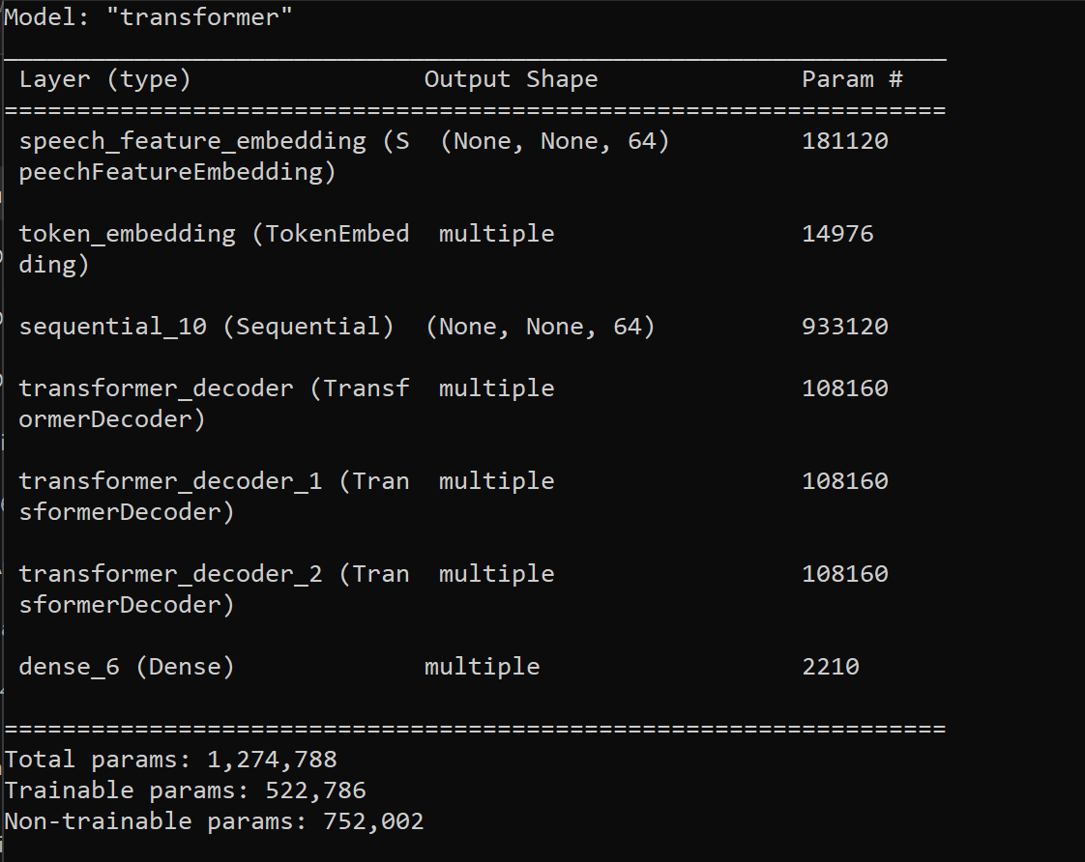
 |  | 19 | 0.1875 | 20 | 81.25
 | Accuracy
 | 1.5625
 | 6.25
 | 25
 | 39.0625
 | 59.375
 | 70.3125
 | 71.875
 | 78.125
 | 73.4375
 | 71.875
 | 70.3125
 | 78.125
 | 75
 | 81.25
 | 78.125
 | 73.4375
 | 81.25
 | 81.25
 | 79.6875
 | 81.25
 | 79.6875
 | 73.4375
 | 76.5625
 | 78.125
 | 81.25
 | 76.5625
 | 82.8125
 | 71.875
 | 73.4375
 | 81.25
 | 81.25
 | 79.6875
 | 84.375
 | 81.25
 | 75
 | 84.375
 | 81.25
 | 76.5625
 | 81.25
 | 78.125
 | 79.6875
 | 84.375
 | 85.9375
 | 85.9375
 | 87.5
 | 87.5
 | 78.125
 | 85.9375
 | 89.0625
 | 89.0625
...
 |  | 20 | 0.203125 | 21 | 79.6875
 |  | 21 | 0.265625 | 22 | 73.4375
 |  | 22 | 0.234375 | 23 | 76.5625
 |  | 23 | 0.21875 | 24 | 78.125
 |  | 24 | 0.1875 | 25 | 81.25
 |  | 25 | 0.234375 | 26 | 76.5625
 |  | 26 | 0.171875 | 27 | 82.8125
 |  | 27 | 0.28125 | 28 | 71.875
 |  | 28 | 0.265625 | 29 | 73.4375
 |  | 29 | 0.1875 | 30 | 81.25
 |  | 30 | 0.1875 | 31 | 81.25
 |  | 31 | 0.203125 | 32 | 79.6875
 |  | 32 | 0.15625 | 33 | 84.375
 |  | 33 | 0.1875 | 34 | 81.25
 |  | 34 | 0.25 | 35 | 75
 |  | 35 | 0.15625 | 36 | 84.375
 |  | 36 | 0.1875 | 37 | 81.25
 |  | 37 | 0.234375 | 38 | 76.5625
 |  | 38 | 0.1875 | 39 | 81.25
 |  | 39 | 0.21875 | 40 | 78.125
 |  | 40 | 0.203125 | 41 | 79.6875
 |  | 41 | 0.15625 | 42 | 84.375
 |  | 42 | 0.140625 | 43 | 85.9375
 |  | 43 | 0.140625 | 44 | 85.9375
 |  | 44 | 0.125 | 45 | 87.5
 |  | 45 | 0.125 | 46 | 87.5
 |  | 46 | 0.21875 | 47 | 78.125
 |  | 47 | 0.140625 | 48 | 85.9375
 |  | 48 | 0.109375 | 49 | 89.0625
 |  | 49 | 0.109375 | 50 | 89.0625
 |  | 50 | 0.203125 | 51 | 79.6875
 |  | 51 | 0.1875 | 52 | 81.25
 |  | 52 | 0.171875 | 53 | 82.8125
 |  | 53 | 0.140625 | 54 | 85.9375
 |  | 54 | 0.09375 | 55 | 90.625
 |  | 55 | 0.140625 | 56 | 85.9375
 |  | 56 | 0.125 | 57 | 87.5
 |  | 57 | 0.15625 | 58 | 84.375
 |  | 58 | 0.140625 | 59 | 85.9375
 |  | 59 | 0.15625 | 60 | 84.375
 |  | 60 | 0.15625 | 61 | 84.375
 |  | 61 | 0.125 | 62 | 87.5
 |  | 62 | 0.171875 | 63 | 82.8125
 |  | 63 | 0.140625 | 64 | 85.9375
 |  | 64 | 0.140625 | 65 | 85.9375
 |  | 65 | 0.140625 | 66 | 85.9375
 |  | 66 | 0.109375 | 67 | 89.0625
 |  | 67 | 0.140625 | 68 | 85.9375
 |  | 68 | 0.09375 | 69 | 90.625
 |  | 69 | 0.109375 | 70 | 89.0625
 |  | 70 | 0.078125 | 71 | 92.1875
 |  | 71 | 0.140625 | 72 | 85.9375
 |  | 72 | 0.078125 | 73 | 92.1875
 |  | 73 | 0.109375 | 74 | 89.0625
 |  | 74 | 0.15625 | 75 | 84.375
 |  | 75 | 0.078125 | 76 | 92.1875
 |  | 76 | 0.109375 | 77 | 89.0625
 |  | 77 | 0.09375 | 78 | 90.625
 |  | 78 | 0.09375 | 79 | 90.625
 |  | 79 | 0.109375 | 80 | 89.0625
 |  | 80 | 0.09375 | 81 | 90.625
 |  | 81 | 0.109375 | 82 | 89.0625
 |  | 82 | 0.109375 | 83 | 89.0625
 |  | 83 | 0.125 | 84 | 87.5
 |  | 84 | 0.078125 | 85 | 92.1875
 |  | 85 | 0.109375 | 86 | 89.0625
 |  | 86 | 0.078125 | 87 | 92.1875
 |  | 87 | 0.109375 | 88 | 89.0625
 |  | 88 | 0.078125 | 89 | 92.1875
 |  | 89 | 0.09375 | 90 | 90.625
 |  | 90 | 0.078125 | 91 | 92.1875
 |  | 91 | 0.09375 | 92 | 90.625
 |  | 92 | 0.09375 | 93 | 90.625
 |  | 93 | 0.078125 | 94 | 92.1875
 |  | 94 | 0.078125 | 95 | 92.1875
 |  | 95 | 0.09375 | 96 | 90.625
 |  | 96 | 0.09375 | 97 | 90.625
 |  | 97 | 0.09375 | 98 | 90.625
 |  | 98 | 0.09375 | 99 | 90.625
 |  | 99 | 0.09375 | 100 | 90.625
 |  | <__main__.DisplayOutputs object at 0x7fd9d1c2c820> | 0.0625
 |  | <__main__.DisplayOutputs object at 0x7fd9d1c2c820> | 0.09375
 |  | <__main__.DisplayOutputs object at 0x7fd9d1c2c820> | 0.09375
 |  | <__main__.DisplayOutputs object at 0x7fd9d1c2c820> | 0.125
 |  | <__main__.DisplayOutputs object at 0x7fd9d1c2c820> | 0.109375
 |  | <__main__.DisplayOutputs object at 0x7fd9d1c2c820> | 0.09375
 |  | <__main__.DisplayOutputs object at 0x7fd9d1c2c820> | 0.09375
 |  | <__main__.DisplayOutputs object at 0x7fd9d1c2c820> | 0.125
 |  | <__main__.DisplayOutputs object at 0x7fd9d1c2c820> | 0.109375
 |  | <__main__.DisplayOutputs object at 0x7fd9d1c2c820> | 0.171875
 |  | <__main__.DisplayOutputs object at 0x7fd9d1c2c820> | 0.09375
 |  | <__main__.DisplayOutputs object at 0x7fd9d1c2c820> | 0.140625
 |  | <__main__.DisplayOutputs object at 0x7fd9d1c2c820> | 0.0625
 |  | <__main__.DisplayOutputs object at 0x7fd9d1c2c820> | 0.078125
 |  | <__main__.DisplayOutputs object at 0x7fd9d1c2c820> | 0.0625
 |  | <__main__.DisplayOutputs object at 0x7fd9d1c2c820> | 0.109375
 |  | <__main__.DisplayOutputs object at 0x7fd9d1c2c820> | 0.140625
 |  | <__main__.DisplayOutputs object at 0x7fd9d1c2c820> | 0.09375
 |  | <__main__.DisplayOutputs object at 0x7fd9d1c2c820> | 0.0625
 |  | <__main__.DisplayOutputs object at 0x7fd9d1c2c820> | 0.109375
 |  | <__main__.DisplayOutputs object at 0x7fd9d1c2c820> | 0.046875
 |  | <__main__.DisplayOutputs object at 0x7fd9d1c2c820> | 0.0625
 |  | <__main__.DisplayOutputs object at 0x7fd9d1c2c820> | 0.09375
 |  | <__main__.DisplayOutputs object at 0x7fd9d1c2c820> | 0.078125
 |  | <__main__.DisplayOutputs object at 0x7fd9d1c2c820> | 0.09375
 |  | <__main__.DisplayOutputs object at 0x7fd9d1c2c820> | 0.078125
 |  | <__main__.DisplayOutputs object at 0x7fd9d1c2c820> | 0.078125
 |  | <__main__.DisplayOutputs object at 0x7fd9d1c2c820> | 0.125
 |  | <__main__.DisplayOutputs object at 0x7fd9d1c2c820> | 0.203125
 |  | <__main__.DisplayOutputs object at 0x7fd9d1c2c820> | 0.109375
 |  | <__main__.DisplayOutputs object at 0x7fd9d1c2c820> | 0.109375
 |  | <__main__.DisplayOutputs object at 0x7fd9d1c2c820> | 0.125
 |  | <__main__.DisplayOutputs object at 0x7fd9d1c2c820> | 0.125
 |  | <__main__.DisplayOutputs object at 0x7fd9d1c2c820> | 0.046875
 |  | <__main__.DisplayOutputs object at 0x7fd9d1c2c820> | 0.125
 |  | <__main__.DisplayOutputs object at 0x7fd9d1c2c820> | 0.109375
 |  | <__main__.DisplayOutputs object at 0x7fd9d1c2c820> | 0.09375
 |  | <__main__.DisplayOutputs object at 0x7fd9d1c2c820> | 0.03125
 |  | <__main__.DisplayOutputs object at 0x7fd9d1c2c820> | 0.09375
 |  | <__main__.DisplayOutputs object at 0x7fd9d1c2c820> | 0.078125
 |  | <__main__.DisplayOutputs object at 0x7fd9d1c2c820> | 0.09375
 |  | <__main__.DisplayOutputs object at 0x7fd9d1c2c820> | 0.125
 |  | <__main__.DisplayOutputs object at 0x7fd9d1c2c820> | 0.0625
 |  | <__main__.DisplayOutputs object at 0x7fd9d1c2c820> | 0.171875
 |  | <__main__.DisplayOutputs object at 0x7fd9d1c2c820> | 0.109375
 |  | <__main__.DisplayOutputs object at 0x7fd9d1c2c820> | 0.109375
 |  | <__main__.DisplayOutputs object at 0x7fd9d1c2c820> | 0.125
 |  | <__main__.DisplayOutputs object at 0x7fd9d1c2c820> | 0.046875
 |  | <__main__.DisplayOutputs object at 0x7fd9d1c2c820> | 0.15625
 |  | <__main__.DisplayOutputs object at 0x7fd9d1c2c820> | 0.109375
 |  | <__main__.DisplayOutputs object at 0x7fd9d1c2c820> | 0.036363636364

E12345_2.0
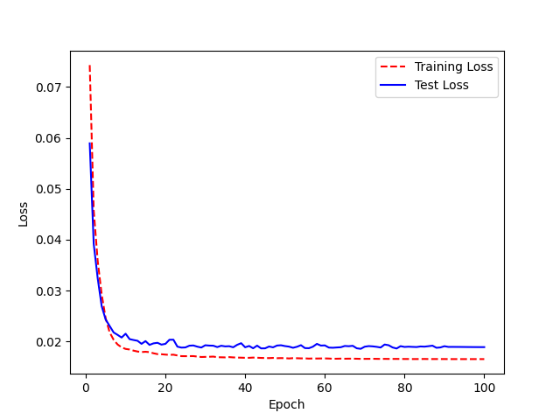
Model Name: LJ200_2.0_UAControl_FreezeE12345.h5 Accuracy:88% (1% increase) | Base model: LJ Speech 200 epochs 2.0, WER 88% | Epoch | WER | Epoch | Accuracy
 |  | 0 | 1.03125 | 1 | -3.125
model.summary before |  | 1 | 0.984375 | 2 | 1.5625
 |  | 2 | 0.796875 | 3 | 20.3125
 |  | 3 | 0.546875 | 4 | 45.3125
 |  | 4 | 0.390625 | 5 | 60.9375
 |  | 5 | 0.328125 | 6 | 67.1875
 |  | 6 | 0.328125 | 7 | 67.1875
 |  | 7 | 0.34375 | 8 | 65.625
 |  | 8 | 0.265625 | 9 | 73.4375
 |  | 9 | 0.296875 | 10 | 70.3125
 |  | 10 | 0.1875 | 11 | 81.25
 |  | 11 | 0.265625 | 12 | 73.4375
 |  | 12 | 0.3125 | 13 | 68.75
 |  | 13 | 0.234375 | 14 | 76.5625
 |  | 14 | 0.234375 | 15 | 76.5625
 |  | 15 | 0.1875 | 16 | 81.25
 |  | 16 | 0.234375 | 17 | 76.5625
 |  | 17 | 0.234375 | 18 | 76.5625
model.summary after |  | 18 | 0.125 | 19 | 87.5
 | Accuracy
 | -3.125
 | 1.5625
 | 20.3125
 | 45.3125
 | 60.9375
 | 67.1875
 | 67.1875
 | 65.625
 | 73.4375
 | 70.3125
 | 81.25
 | 73.4375
 | 68.75
 | 76.5625
 | 76.5625
 | 81.25
 | 76.5625
 | 76.5625
 | 87.5
 | 84.375
 | 76.5625
 | 75
 | 81.25
 | 81.25
 | 82.8125
 | 82.8125
 | 84.375
 | 85.9375
 | 85.9375
 | 76.5625
 | 85.9375
 | 84.375
 | 85.9375
 | 81.25
 | 87.5
 | 85.9375
 | 85.9375
 | 82.8125
 | 81.25
 | 90.625
 | 84.375
 | 82.8125
 | 89.0625
 | 87.5
 | 84.375
 | 82.8125
 | 90.625
 | 89.0625
 | 81.25
 | 89.0625
...
 |  | 19 | 0.15625 | 20 | 84.375
 |  | 20 | 0.234375 | 21 | 76.5625
 |  | 21 | 0.25 | 22 | 75
 |  | 22 | 0.1875 | 23 | 81.25
 |  | 23 | 0.1875 | 24 | 81.25
 |  | 24 | 0.171875 | 25 | 82.8125
 |  | 25 | 0.171875 | 26 | 82.8125
 |  | 26 | 0.15625 | 27 | 84.375
 |  | 27 | 0.140625 | 28 | 85.9375
 |  | 28 | 0.140625 | 29 | 85.9375
 |  | 29 | 0.234375 | 30 | 76.5625
 |  | 30 | 0.140625 | 31 | 85.9375
 |  | 31 | 0.15625 | 32 | 84.375
 |  | 32 | 0.140625 | 33 | 85.9375
 |  | 33 | 0.1875 | 34 | 81.25
 |  | 34 | 0.125 | 35 | 87.5
 |  | 35 | 0.140625 | 36 | 85.9375
 |  | 36 | 0.140625 | 37 | 85.9375
 |  | 37 | 0.171875 | 38 | 82.8125
 |  | 38 | 0.1875 | 39 | 81.25
 |  | 39 | 0.09375 | 40 | 90.625
 |  | 40 | 0.15625 | 41 | 84.375
 |  | 41 | 0.171875 | 42 | 82.8125
 |  | 42 | 0.109375 | 43 | 89.0625
 |  | 43 | 0.125 | 44 | 87.5
 |  | 44 | 0.15625 | 45 | 84.375
 |  | 45 | 0.171875 | 46 | 82.8125
 |  | 46 | 0.09375 | 47 | 90.625
 |  | 47 | 0.109375 | 48 | 89.0625
 |  | 48 | 0.1875 | 49 | 81.25
 |  | 49 | 0.109375 | 50 | 89.0625
 |  | 50 | 0.140625 | 51 | 85.9375
 |  | 51 | 0.078125 | 52 | 92.1875
 |  | 52 | 0.078125 | 53 | 92.1875
 |  | 53 | 0.171875 | 54 | 82.8125
 |  | 54 | 0.171875 | 55 | 82.8125
 |  | 55 | 0.125 | 56 | 87.5
 |  | 56 | 0.109375 | 57 | 89.0625
 |  | 57 | 0.171875 | 58 | 82.8125
 |  | 58 | 0.140625 | 59 | 85.9375
 |  | 59 | 0.140625 | 60 | 85.9375
 |  | 60 | 0.140625 | 61 | 85.9375
 |  | 61 | 0.140625 | 62 | 85.9375
 |  | 62 | 0.15625 | 63 | 84.375
 |  | 63 | 0.109375 | 64 | 89.0625
 |  | 64 | 0.109375 | 65 | 89.0625
 |  | 65 | 0.125 | 66 | 87.5
 |  | 66 | 0.109375 | 67 | 89.0625
 |  | 67 | 0.125 | 68 | 87.5
 |  | 68 | 0.109375 | 69 | 89.0625
 |  | 69 | 0.09375 | 70 | 90.625
 |  | 70 | 0.125 | 71 | 87.5
 |  | 71 | 0.140625 | 72 | 85.9375
 |  | 72 | 0.078125 | 73 | 92.1875
 |  | 73 | 0.109375 | 74 | 89.0625
 |  | 74 | 0.09375 | 75 | 90.625
 |  | 75 | 0.125 | 76 | 87.5
 |  | 76 | 0.109375 | 77 | 89.0625
 |  | 77 | 0.125 | 78 | 87.5
 |  | 78 | 0.140625 | 79 | 85.9375
 |  | 79 | 0.125 | 80 | 87.5
 |  | 80 | 0.15625 | 81 | 84.375
 |  | 81 | 0.109375 | 82 | 89.0625
 |  | 82 | 0.125 | 83 | 87.5
 |  | 83 | 0.140625 | 84 | 85.9375
 |  | 84 | 0.15625 | 85 | 84.375
 |  | 85 | 0.15625 | 86 | 84.375
 |  | 86 | 0.15625 | 87 | 84.375
 |  | 87 | 0.09375 | 88 | 90.625
 |  | 88 | 0.078125 | 89 | 92.1875
 |  | 89 | 0.109375 | 90 | 89.0625
 |  | 90 | 0.109375 | 91 | 89.0625
 |  | 91 | 0.09375 | 92 | 90.625
 |  | 92 | 0.09375 | 93 | 90.625
 |  | 93 | 0.09375 | 94 | 90.625
 |  | 94 | 0.09375 | 95 | 90.625
 |  | 95 | 0.109375 | 96 | 89.0625
 |  | 96 | 0.109375 | 97 | 89.0625
 |  | 97 | 0.109375 | 98 | 89.0625
 |  | 98 | 0.109375 | 99 | 89.0625
 |  | 99 | 0.109375 | 100 | 89.0625

E1234_2.0

Model Name: LJ200_2.0_UAControl_FreezeE1234.h5 Accuracy:90% (3% increase) | Base model: LJ Speech 200 epochs 2.0, WER 88% | Epoch | WER | Epoch | Accuracy
 |  | 0 | 1.03125 | 1 | -3.125
model.summary before |  | 1 | 0.984375 | 2 | 1.5625
 |  | 2 | 0.796875 | 3 | 20.3125
 |  | 3 | 0.546875 | 4 | 45.3125
 |  | 4 | 0.390625 | 5 | 60.9375
 |  | 5 | 0.328125 | 6 | 67.1875
 |  | 6 | 0.328125 | 7 | 67.1875
 |  | 7 | 0.34375 | 8 | 65.625
 |  | 8 | 0.265625 | 9 | 73.4375
 |  | 9 | 0.296875 | 10 | 70.3125
 |  | 10 | 0.1875 | 11 | 81.25
 |  | 11 | 0.265625 | 12 | 73.4375
 |  | 12 | 0.3125 | 13 | 68.75
 |  | 13 | 0.234375 | 14 | 76.5625
 |  | 14 | 0.234375 | 15 | 76.5625
 |  | 15 | 0.1875 | 16 | 81.25
 |  | 16 | 0.234375 | 17 | 76.5625
 |  | 17 | 0.234375 | 18 | 76.5625
model.summary after |  | 18 | 0.125 | 19 | 87.5
 |  | 19 | 0.15625 | 20 | 84.375
 |  | 20 | 0.234375 | 21 | 76.5625
 |  | 21 | 0.25 | 22 | 75
 |  | 22 | 0.1875 | 23 | 81.25
 |  | 23 | 0.1875 | 24 | 81.25
 |  | 24 | 0.171875 | 25 | 82.8125
 |  | 25 | 0.171875 | 26 | 82.8125
 |  | 26 | 0.15625 | 27 | 84.375
 |  | 27 | 0.140625 | 28 | 85.9375
 |  | 28 | 0.140625 | 29 | 85.9375
 |  | 29 | 0.234375 | 30 | 76.5625
 |  | 30 | 0.140625 | 31 | 85.9375
 |  | 31 | 0.15625 | 32 | 84.375
 |  | 32 | 0.140625 | 33 | 85.9375
 |  | 33 | 0.1875 | 34 | 81.25
 |  | 34 | 0.125 | 35 | 87.5
 |  | 35 | 0.140625 | 36 | 85.9375
 |  | 36 | 0.140625 | 37 | 85.9375
 |  | 37 | 0.171875 | 38 | 82.8125
 |  | 38 | 0.1875 | 39 | 81.25
 |  | 39 | 0.09375 | 40 | 90.625
 |  | 40 | 0.15625 | 41 | 84.375
 |  | 41 | 0.171875 | 42 | 82.8125
 |  | 42 | 0.109375 | 43 | 89.0625
 |  | 43 | 0.125 | 44 | 87.5
 |  | 44 | 0.15625 | 45 | 84.375
 |  | 45 | 0.171875 | 46 | 82.8125
 |  | 46 | 0.09375 | 47 | 90.625
 |  | 47 | 0.109375 | 48 | 89.0625
 |  | 48 | 0.1875 | 49 | 81.25
 |  | 49 | 0.109375 | 50 | 89.0625
 |  | 50 | 0.140625 | 51 | 85.9375
 |  | 51 | 0.078125 | 52 | 92.1875
 |  | 52 | 0.078125 | 53 | 92.1875
 |  | 53 | 0.171875 | 54 | 82.8125
 |  | 54 | 0.171875 | 55 | 82.8125
 |  | 55 | 0.125 | 56 | 87.5
 |  | 56 | 0.109375 | 57 | 89.0625
 |  | 57 | 0.171875 | 58 | 82.8125
 |  | 58 | 0.140625 | 59 | 85.9375
 |  | 59 | 0.140625 | 60 | 85.9375
 |  | 60 | 0.140625 | 61 | 85.9375
 |  | 61 | 0.140625 | 62 | 85.9375
 |  | 62 | 0.15625 | 63 | 84.375
 |  | 63 | 0.109375 | 64 | 89.0625
 |  | 64 | 0.109375 | 65 | 89.0625
 |  | 65 | 0.125 | 66 | 87.5
 |  | 66 | 0.109375 | 67 | 89.0625
 |  | 67 | 0.125 | 68 | 87.5
 |  | 68 | 0.109375 | 69 | 89.0625
 |  | 69 | 0.09375 | 70 | 90.625
 |  | 70 | 0.125 | 71 | 87.5
 |  | 71 | 0.140625 | 72 | 85.9375
 |  | 72 | 0.078125 | 73 | 92.1875
 |  | 73 | 0.109375 | 74 | 89.0625
 |  | 74 | 0.09375 | 75 | 90.625
 |  | 75 | 0.125 | 76 | 87.5
 |  | 76 | 0.109375 | 77 | 89.0625
 |  | 77 | 0.125 | 78 | 87.5
 |  | 78 | 0.140625 | 79 | 85.9375
 |  | 79 | 0.125 | 80 | 87.5
 |  | 80 | 0.15625 | 81 | 84.375
 |  | 81 | 0.109375 | 82 | 89.0625
 |  | 82 | 0.125 | 83 | 87.5
 |  | 83 | 0.140625 | 84 | 85.9375
 |  | 84 | 0.15625 | 85 | 84.375
 |  | 85 | 0.15625 | 86 | 84.375
 |  | 86 | 0.15625 | 87 | 84.375
 |  | 87 | 0.09375 | 88 | 90.625
 |  | 88 | 0.078125 | 89 | 92.1875
 |  | 89 | 0.109375 | 90 | 89.0625
 |  | 90 | 0.109375 | 91 | 89.0625
 |  | 91 | 0.09375 | 92 | 90.625
 |  | 92 | 0.09375 | 93 | 90.625
 |  | 93 | 0.09375 | 94 | 90.625
 |  | 94 | 0.09375 | 95 | 90.625
 |  | 95 | 0.109375 | 96 | 89.0625
 |  | 96 | 0.109375 | 97 | 89.0625
 |  | 97 | 0.109375 | 98 | 89.0625
 |  | 98 | 0.109375 | 99 | 89.0625
 |  | 99 | 0.109375 | 100 | 89.0625

E123_2.0

Model Name: LJ200_2.0_UAControl_FreezeE123.h5 Accuracy:88% (1% increase) | Base model: LJ Speech 200 epochs 2.0, WER 88% | Epoch | WER | Epoch | Accuracy
 |  | 0 | 1.015625 | 1 | -1.5625
model.summary before |  | 1 | 0.921875 | 2 | 7.8125
 |  | 2 | 0.875 | 3 | 12.5
 |  | 3 | 0.59375 | 4 | 40.625
 |  | 4 | 0.421875 | 5 | 57.8125
 |  | 5 | 0.34375 | 6 | 65.625
 |  | 6 | 0.296875 | 7 | 70.3125
 |  | 7 | 0.328125 | 8 | 67.1875
 |  | 8 | 0.296875 | 9 | 70.3125
 |  | 9 | 0.25 | 10 | 75
 |  | 10 | 0.359375 | 11 | 64.0625
 |  | 11 | 0.1875 | 12 | 81.25
 |  | 12 | 0.171875 | 13 | 82.8125
 |  | 13 | 0.1875 | 14 | 81.25
 |  | 14 | 0.15625 | 15 | 84.375
 |  | 15 | 0.1875 | 16 | 81.25
 |  | 16 | 0.203125 | 17 | 79.6875
 |  | 17 | 0.21875 | 18 | 78.125
model.summary after |  | 18 | 0.21875 | 19 | 78.125
 |  | 19 | 0.25 | 20 | 75
 | Accuracy
 | -1.5625
 | 7.8125
 | 12.5
 | 40.625
 | 57.8125
 | 65.625
 | 70.3125
 | 67.1875
 | 70.3125
 | 75
 | 64.0625
 | 81.25
 | 82.8125
 | 81.25
 | 84.375
 | 81.25
 | 79.6875
 | 78.125
 | 78.125
 | 75
 | 84.375
 | 79.6875
 | 76.5625
 | 82.8125
 | 78.125
 | 84.375
 | 82.8125
 | 82.8125
 | 79.6875
 | 90.625
 | 87.5
 | 79.6875
 | 81.25
 | 90.625
 | 92.1875
 | 87.5
 | 85.9375
 | 90.625
 | 89.0625
 | 87.5
 | 79.6875
 | 92.1875
 | 84.375
 | 84.375
 | 89.0625
 | 89.0625
 | 85.9375
 | 92.1875
 | 82.8125
 | 89.0625
...
 |  | 20 | 0.15625 | 21 | 84.375
 |  | 21 | 0.203125 | 22 | 79.6875
 |  | 22 | 0.234375 | 23 | 76.5625
 |  | 23 | 0.171875 | 24 | 82.8125
 |  | 24 | 0.21875 | 25 | 78.125
 |  | 25 | 0.15625 | 26 | 84.375
 |  | 26 | 0.171875 | 27 | 82.8125
 |  | 27 | 0.171875 | 28 | 82.8125
 |  | 28 | 0.203125 | 29 | 79.6875
 |  | 29 | 0.09375 | 30 | 90.625
 |  | 30 | 0.125 | 31 | 87.5
 |  | 31 | 0.203125 | 32 | 79.6875
 |  | 32 | 0.1875 | 33 | 81.25
 |  | 33 | 0.09375 | 34 | 90.625
 |  | 34 | 0.078125 | 35 | 92.1875
 |  | 35 | 0.125 | 36 | 87.5
 |  | 36 | 0.140625 | 37 | 85.9375
 |  | 37 | 0.09375 | 38 | 90.625
 |  | 38 | 0.109375 | 39 | 89.0625
 |  | 39 | 0.125 | 40 | 87.5
 |  | 40 | 0.203125 | 41 | 79.6875
 |  | 41 | 0.078125 | 42 | 92.1875
 |  | 42 | 0.15625 | 43 | 84.375
 |  | 43 | 0.15625 | 44 | 84.375
 |  | 44 | 0.109375 | 45 | 89.0625
 |  | 45 | 0.109375 | 46 | 89.0625
 |  | 46 | 0.140625 | 47 | 85.9375
 |  | 47 | 0.078125 | 48 | 92.1875
 |  | 48 | 0.171875 | 49 | 82.8125
 |  | 49 | 0.109375 | 50 | 89.0625
 |  | 50 | 0.125 | 51 | 87.5
 |  | 51 | 0.109375 | 52 | 89.0625
 |  | 52 | 0.109375 | 53 | 89.0625
 |  | 53 | 0.109375 | 54 | 89.0625
 |  | 54 | 0.15625 | 55 | 84.375
 |  | 55 | 0.140625 | 56 | 85.9375
 |  | 56 | 0.109375 | 57 | 89.0625
 |  | 57 | 0.140625 | 58 | 85.9375
 |  | 58 | 0.171875 | 59 | 82.8125
 |  | 59 | 0.078125 | 60 | 92.1875
 |  | 60 | 0.140625 | 61 | 85.9375
 |  | 61 | 0.140625 | 62 | 85.9375
 |  | 62 | 0.125 | 63 | 87.5
 |  | 63 | 0.125 | 64 | 87.5
 |  | 64 | 0.109375 | 65 | 89.0625
 |  | 65 | 0.15625 | 66 | 84.375
 |  | 66 | 0.140625 | 67 | 85.9375
 |  | 67 | 0.09375 | 68 | 90.625
 |  | 68 | 0.09375 | 69 | 90.625
 |  | 69 | 0.109375 | 70 | 89.0625
 |  | 70 | 0.046875 | 71 | 95.3125
 |  | 71 | 0.109375 | 72 | 89.0625
 |  | 72 | 0.078125 | 73 | 92.1875
 |  | 73 | 0.125 | 74 | 87.5
 |  | 74 | 0.0625 | 75 | 93.75
 |  | 75 | 0.09375 | 76 | 90.625
 |  | 76 | 0.0625 | 77 | 93.75
 |  | 77 | 0.09375 | 78 | 90.625
 |  | 78 | 0.109375 | 79 | 89.0625
 |  | 79 | 0.125 | 80 | 87.5
 |  | 80 | 0.125 | 81 | 87.5
 |  | 81 | 0.140625 | 82 | 85.9375
 |  | 82 | 0.09375 | 83 | 90.625
 |  | 83 | 0.09375 | 84 | 90.625
 |  | 84 | 0.109375 | 85 | 89.0625
 |  | 85 | 0.125 | 86 | 87.5
 |  | 86 | 0.140625 | 87 | 85.9375
 |  | 87 | 0.140625 | 88 | 85.9375
 |  | 88 | 0.15625 | 89 | 84.375
 |  | 89 | 0.140625 | 90 | 85.9375
 |  | 90 | 0.140625 | 91 | 85.9375
 |  | 91 | 0.140625 | 92 | 85.9375
 |  | 92 | 0.140625 | 93 | 85.9375
 |  | 93 | 0.140625 | 94 | 85.9375
 |  | 94 | 0.140625 | 95 | 85.9375
 |  | 95 | 0.140625 | 96 | 85.9375
 |  | 96 | 0.140625 | 97 | 85.9375
 |  | 97 | 0.140625 | 98 | 85.9375
 |  | 98 | 0.140625 | 99 | 85.9375
 |  | 99 | 0.140625 | 100 | 85.9375
 |  | <__main__.DisplayOutputs object at 0x7fd9d1c2c820> | 0.0625
 |  | <__main__.DisplayOutputs object at 0x7fd9d1c2c820> | 0.09375
 |  | <__main__.DisplayOutputs object at 0x7fd9d1c2c820> | 0.09375
 |  | <__main__.DisplayOutputs object at 0x7fd9d1c2c820> | 0.125
 |  | <__main__.DisplayOutputs object at 0x7fd9d1c2c820> | 0.109375
 |  | <__main__.DisplayOutputs object at 0x7fd9d1c2c820> | 0.09375
 |  | <__main__.DisplayOutputs object at 0x7fd9d1c2c820> | 0.09375
 |  | <__main__.DisplayOutputs object at 0x7fd9d1c2c820> | 0.125
 |  | <__main__.DisplayOutputs object at 0x7fd9d1c2c820> | 0.109375
 |  | <__main__.DisplayOutputs object at 0x7fd9d1c2c820> | 0.171875
 |  | <__main__.DisplayOutputs object at 0x7fd9d1c2c820> | 0.09375
 |  | <__main__.DisplayOutputs object at 0x7fd9d1c2c820> | 0.140625
 |  | <__main__.DisplayOutputs object at 0x7fd9d1c2c820> | 0.0625
 |  | <__main__.DisplayOutputs object at 0x7fd9d1c2c820> | 0.078125
 |  | <__main__.DisplayOutputs object at 0x7fd9d1c2c820> | 0.0625
 |  | <__main__.DisplayOutputs object at 0x7fd9d1c2c820> | 0.109375
 |  | <__main__.DisplayOutputs object at 0x7fd9d1c2c820> | 0.140625
 |  | <__main__.DisplayOutputs object at 0x7fd9d1c2c820> | 0.09375
 |  | <__main__.DisplayOutputs object at 0x7fd9d1c2c820> | 0.0625
 |  | <__main__.DisplayOutputs object at 0x7fd9d1c2c820> | 0.109375
 |  | <__main__.DisplayOutputs object at 0x7fd9d1c2c820> | 0.046875
 |  | <__main__.DisplayOutputs object at 0x7fd9d1c2c820> | 0.0625
 |  | <__main__.DisplayOutputs object at 0x7fd9d1c2c820> | 0.09375
 |  | <__main__.DisplayOutputs object at 0x7fd9d1c2c820> | 0.078125
 |  | <__main__.DisplayOutputs object at 0x7fd9d1c2c820> | 0.09375
 |  | <__main__.DisplayOutputs object at 0x7fd9d1c2c820> | 0.078125
 |  | <__main__.DisplayOutputs object at 0x7fd9d1c2c820> | 0.078125
 |  | <__main__.DisplayOutputs object at 0x7fd9d1c2c820> | 0.125
 |  | <__main__.DisplayOutputs object at 0x7fd9d1c2c820> | 0.203125
 |  | <__main__.DisplayOutputs object at 0x7fd9d1c2c820> | 0.109375
 |  | <__main__.DisplayOutputs object at 0x7fd9d1c2c820> | 0.109375
 |  | <__main__.DisplayOutputs object at 0x7fd9d1c2c820> | 0.125
 |  | <__main__.DisplayOutputs object at 0x7fd9d1c2c820> | 0.125
 |  | <__main__.DisplayOutputs object at 0x7fd9d1c2c820> | 0.046875
 |  | <__main__.DisplayOutputs object at 0x7fd9d1c2c820> | 0.125
 |  | <__main__.DisplayOutputs object at 0x7fd9d1c2c820> | 0.109375
 |  | <__main__.DisplayOutputs object at 0x7fd9d1c2c820> | 0.09375
 |  | <__main__.DisplayOutputs object at 0x7fd9d1c2c820> | 0.03125
 |  | <__main__.DisplayOutputs object at 0x7fd9d1c2c820> | 0.09375
 |  | <__main__.DisplayOutputs object at 0x7fd9d1c2c820> | 0.078125
 |  | <__main__.DisplayOutputs object at 0x7fd9d1c2c820> | 0.09375
 |  | <__main__.DisplayOutputs object at 0x7fd9d1c2c820> | 0.125
 |  | <__main__.DisplayOutputs object at 0x7fd9d1c2c820> | 0.0625
 |  | <__main__.DisplayOutputs object at 0x7fd9d1c2c820> | 0.171875
 |  | <__main__.DisplayOutputs object at 0x7fd9d1c2c820> | 0.109375
 |  | <__main__.DisplayOutputs object at 0x7fd9d1c2c820> | 0.109375
 |  | <__main__.DisplayOutputs object at 0x7fd9d1c2c820> | 0.125
 |  | <__main__.DisplayOutputs object at 0x7fd9d1c2c820> | 0.046875
 |  | <__main__.DisplayOutputs object at 0x7fd9d1c2c820> | 0.15625
 |  | <__main__.DisplayOutputs object at 0x7fd9d1c2c820> | 0.109375
 |  | <__main__.DisplayOutputs object at 0x7fd9d1c2c820> | 0.036363636364

E12_2.0

Model Name: LJ200_2.0_UAControl_FreezeE1.h5 Accuracy:90% (3% increase) | Base model: LJ Speech 200 epochs 2.0, WER 88% | Epoch | WER | Epoch | Accuracy
 |  | 0 | 0.96875 | 1 | 3.125
model.summary before |  | 1 | 0.921875 | 2 | 7.8125
 |  | 2 | 0.75 | 3 | 25
 |  | 3 | 0.5 | 4 | 50
 |  | 4 | 0.40625 | 5 | 59.375
 |  | 5 | 0.296875 | 6 | 70.3125
 |  | 6 | 0.296875 | 7 | 70.3125
 |  | 7 | 0.34375 | 8 | 65.625
 |  | 8 | 0.296875 | 9 | 70.3125
 |  | 9 | 0.234375 | 10 | 76.5625
 |  | 10 | 0.203125 | 11 | 79.6875
 |  | 11 | 0.28125 | 12 | 71.875
 |  | 12 | 0.265625 | 13 | 73.4375
 |  | 13 | 0.203125 | 14 | 79.6875
 |  | 14 | 0.1875 | 15 | 81.25
 |  | 15 | 0.3125 | 16 | 68.75
 |  | 16 | 0.21875 | 17 | 78.125
 |  | 17 | 0.234375 | 18 | 76.5625
model.summary after |  | 18 | 0.21875 | 19 | 78.125
 |  | 19 | 0.234375 | 20 | 76.5625
 |  | 20 | 0.125 | 21 | 87.5
 |  | 21 | 0.171875 | 22 | 82.8125
 |  | 22 | 0.1875 | 23 | 81.25
 |  | 23 | 0.109375 | 24 | 89.0625
 |  | 24 | 0.171875 | 25 | 82.8125
 |  | 25 | 0.15625 | 26 | 84.375
 |  | 26 | 0.15625 | 27 | 84.375
 |  | 27 | 0.171875 | 28 | 82.8125
 |  | 28 | 0.171875 | 29 | 82.8125
 |  | 29 | 0.171875 | 30 | 82.8125
 |  | 30 | 0.125 | 31 | 87.5
 |  | 31 | 0.15625 | 32 | 84.375
 |  | 32 | 0.1875 | 33 | 81.25
 |  | 33 | 0.171875 | 34 | 82.8125
 |  | 34 | 0.140625 | 35 | 85.9375
 |  | 35 | 0.140625 | 36 | 85.9375
 |  | 36 | 0.125 | 37 | 87.5
 |  | 37 | 0.140625 | 38 | 85.9375
 |  | 38 | 0.171875 | 39 | 82.8125
 |  | 39 | 0.140625 | 40 | 85.9375
 |  | 40 | 0.15625 | 41 | 84.375
 |  | 41 | 0.09375 | 42 | 90.625
 |  | 42 | 0.140625 | 43 | 85.9375
 |  | 43 | 0.15625 | 44 | 84.375
 |  | 44 | 0.140625 | 45 | 85.9375
 |  | 45 | 0.140625 | 46 | 85.9375
 |  | 46 | 0.171875 | 47 | 82.8125
 |  | 47 | 0.09375 | 48 | 90.625
 |  | 48 | 0.09375 | 49 | 90.625
 |  | 49 | 0.203125 | 50 | 79.6875
 |  | 50 | 0.171875 | 51 | 82.8125
 |  | 51 | 0.140625 | 52 | 85.9375
 |  | 52 | 0.109375 | 53 | 89.0625
 |  | 53 | 0.109375 | 54 | 89.0625
 |  | 54 | 0.171875 | 55 | 82.8125
 |  | 55 | 0.125 | 56 | 87.5
 |  | 56 | 0.125 | 57 | 87.5
 |  | 57 | 0.109375 | 58 | 89.0625
 |  | 58 | 0.140625 | 59 | 85.9375
 |  | 59 | 0.140625 | 60 | 85.9375
 |  | 60 | 0.15625 | 61 | 84.375
 |  | 61 | 0.125 | 62 | 87.5
 |  | 62 | 0.125 | 63 | 87.5
 |  | 63 | 0.140625 | 64 | 85.9375
 |  | 64 | 0.140625 | 65 | 85.9375
 |  | 65 | 0.125 | 66 | 87.5
 |  | 66 | 0.09375 | 67 | 90.625
 |  | 67 | 0.078125 | 68 | 92.1875
 |  | 68 | 0.109375 | 69 | 89.0625
 |  | 69 | 0.15625 | 70 | 84.375
 |  | 70 | 0.0625 | 71 | 93.75
 |  | 71 | 0.125 | 72 | 87.5
 |  | 72 | 0.09375 | 73 | 90.625
 |  | 73 | 0.140625 | 74 | 85.9375
 |  | 74 | 0.109375 | 75 | 89.0625
 |  | 75 | 0.125 | 76 | 87.5
 |  | 76 | 0.15625 | 77 | 84.375
 |  | 77 | 0.078125 | 78 | 92.1875
 |  | 78 | 0.125 | 79 | 87.5
 |  | 79 | 0.09375 | 80 | 90.625
 |  | 80 | 0.09375 | 81 | 90.625
 |  | 81 | 0.109375 | 82 | 89.0625
 |  | 82 | 0.15625 | 83 | 84.375
 |  | 83 | 0.125 | 84 | 87.5
 |  | 84 | 0.09375 | 85 | 90.625
 |  | 85 | 0.125 | 86 | 87.5
 |  | 86 | 0.140625 | 87 | 85.9375
 |  | 87 | 0.15625 | 88 | 84.375
 |  | 88 | 0.125 | 89 | 87.5
 |  | 89 | 0.125 | 90 | 87.5
 |  | 90 | 0.09375 | 91 | 90.625
 |  | 91 | 0.109375 | 92 | 89.0625
 |  | 92 | 0.09375 | 93 | 90.625
 |  | 93 | 0.09375 | 94 | 90.625
 |  | 94 | 0.09375 | 95 | 90.625
 |  | 95 | 0.09375 | 96 | 90.625
 |  | 96 | 0.09375 | 97 | 90.625
 |  | 97 | 0.09375 | 98 | 90.625
 |  | 98 | 0.09375 | 99 | 90.625
 |  | 99 | 0.09375 | 100 | 90.625

E1_2.0

Model Name: LJ200_2.0_UAControl_FreezeE12.h5 Accuracy:89% (2% increase) | Base model: LJ Speech 200 epochs 2.0, WER 88% | Epoch | WER | Epoch | Accuracy
 |  | 0 | 1 | 1 | 0
model.summary before |  | 1 | 0.90625 | 2 | 9.375
 |  | 2 | 0.71875 | 3 | 28.125
 |  | 3 | 0.53125 | 4 | 46.875
 |  | 4 | 0.328125 | 5 | 67.1875
 |  | 5 | 0.296875 | 6 | 70.3125
 |  | 6 | 0.25 | 7 | 75
 |  | 7 | 0.28125 | 8 | 71.875
 |  | 8 | 0.234375 | 9 | 76.5625
 |  | 9 | 0.25 | 10 | 75
 |  | 10 | 0.21875 | 11 | 78.125
 |  | 11 | 0.21875 | 12 | 78.125
 |  | 12 | 0.171875 | 13 | 82.8125
 |  | 13 | 0.25 | 14 | 75
 |  | 14 | 0.1875 | 15 | 81.25
 |  | 15 | 0.15625 | 16 | 84.375
 |  | 16 | 0.1875 | 17 | 81.25
 |  | 17 | 0.234375 | 18 | 76.5625
model.summary after |  | 18 | 0.203125 | 19 | 79.6875
 |  | 19 | 0.1875 | 20 | 81.25
 | Accuracy
 | 0
 | 9.375
 | 28.125
 | 46.875
 | 67.1875
 | 70.3125
 | 75
 | 71.875
 | 76.5625
 | 75
 | 78.125
 | 78.125
 | 82.8125
 | 75
 | 81.25
 | 84.375
 | 81.25
 | 76.5625
 | 79.6875
 | 81.25
 | 71.875
 | 79.6875
 | 71.875
 | 78.125
 | 78.125
 | 85.9375
 | 82.8125
 | 79.6875
 | 78.125
 | 73.4375
 | 76.5625
 | 73.4375
 | 78.125
 | 87.5
 | 78.125
 | 81.25
 | 78.125
 | 75
 | 82.8125
 | 76.5625
 | 84.375
 | 79.6875
 | 85.9375
 | 82.8125
 | 78.125
 | 81.25
 | 78.125
 | 85.9375
 | 87.5
 | 87.5
...
 |  | 20 | 0.28125 | 21 | 71.875
 |  | 21 | 0.203125 | 22 | 79.6875
 |  | 22 | 0.28125 | 23 | 71.875
 |  | 23 | 0.21875 | 24 | 78.125
 |  | 24 | 0.21875 | 25 | 78.125
 |  | 25 | 0.140625 | 26 | 85.9375
 |  | 26 | 0.171875 | 27 | 82.8125
 |  | 27 | 0.203125 | 28 | 79.6875
 |  | 28 | 0.21875 | 29 | 78.125
 |  | 29 | 0.265625 | 30 | 73.4375
 |  | 30 | 0.234375 | 31 | 76.5625
 |  | 31 | 0.265625 | 32 | 73.4375
 |  | 32 | 0.21875 | 33 | 78.125
 |  | 33 | 0.125 | 34 | 87.5
 |  | 34 | 0.21875 | 35 | 78.125
 |  | 35 | 0.1875 | 36 | 81.25
 |  | 36 | 0.21875 | 37 | 78.125
 |  | 37 | 0.25 | 38 | 75
 |  | 38 | 0.171875 | 39 | 82.8125
 |  | 39 | 0.234375 | 40 | 76.5625
 |  | 40 | 0.15625 | 41 | 84.375
 |  | 41 | 0.203125 | 42 | 79.6875
 |  | 42 | 0.140625 | 43 | 85.9375
 |  | 43 | 0.171875 | 44 | 82.8125
 |  | 44 | 0.21875 | 45 | 78.125
 |  | 45 | 0.1875 | 46 | 81.25
 |  | 46 | 0.21875 | 47 | 78.125
 |  | 47 | 0.140625 | 48 | 85.9375
 |  | 48 | 0.125 | 49 | 87.5
 |  | 49 | 0.125 | 50 | 87.5
 |  | 50 | 0.203125 | 51 | 79.6875
 |  | 51 | 0.171875 | 52 | 82.8125
 |  | 52 | 0.1875 | 53 | 81.25
 |  | 53 | 0.171875 | 54 | 82.8125
 |  | 54 | 0.15625 | 55 | 84.375
 |  | 55 | 0.140625 | 56 | 85.9375
 |  | 56 | 0.171875 | 57 | 82.8125
 |  | 57 | 0.125 | 58 | 87.5
 |  | 58 | 0.203125 | 59 | 79.6875
 |  | 59 | 0.203125 | 60 | 79.6875
 |  | 60 | 0.140625 | 61 | 85.9375
 |  | 61 | 0.171875 | 62 | 82.8125
 |  | 62 | 0.15625 | 63 | 84.375
 |  | 63 | 0.203125 | 64 | 79.6875
 |  | 64 | 0.09375 | 65 | 90.625
 |  | 65 | 0.078125 | 66 | 92.1875
 |  | 66 | 0.109375 | 67 | 89.0625
 |  | 67 | 0.09375 | 68 | 90.625
 |  | 68 | 0.109375 | 69 | 89.0625
 |  | 69 | 0.109375 | 70 | 89.0625
 |  | 70 | 0.109375 | 71 | 89.0625
 |  | 71 | 0.1875 | 72 | 81.25
 |  | 72 | 0.1875 | 73 | 81.25
 |  | 73 | 0.109375 | 74 | 89.0625
 |  | 74 | 0.140625 | 75 | 85.9375
 |  | 75 | 0.125 | 76 | 87.5
 |  | 76 | 0.15625 | 77 | 84.375
 |  | 77 | 0.15625 | 78 | 84.375
 |  | 78 | 0.140625 | 79 | 85.9375
 |  | 79 | 0.125 | 80 | 87.5
 |  | 80 | 0.140625 | 81 | 85.9375
 |  | 81 | 0.140625 | 82 | 85.9375
 |  | 82 | 0.171875 | 83 | 82.8125
 |  | 83 | 0.140625 | 84 | 85.9375
 |  | 84 | 0.125 | 85 | 87.5
 |  | 85 | 0.140625 | 86 | 85.9375
 |  | 86 | 0.15625 | 87 | 84.375
 |  | 87 | 0.15625 | 88 | 84.375
 |  | 88 | 0.15625 | 89 | 84.375
 |  | 89 | 0.140625 | 90 | 85.9375
 |  | 90 | 0.140625 | 91 | 85.9375
 |  | 91 | 0.140625 | 92 | 85.9375
 |  | 92 | 0.140625 | 93 | 85.9375
 |  | 93 | 0.140625 | 94 | 85.9375
 |  | 94 | 0.15625 | 95 | 84.375
 |  | 95 | 0.15625 | 96 | 84.375
 |  | 96 | 0.15625 | 97 | 84.375
 |  | 97 | 0.15625 | 98 | 84.375
 |  | 98 | 0.15625 | 99 | 84.375
 |  | 99 | 0.15625 | 100 | 84.375
 |  | <__main__.DisplayOutputs object at 0x7feeb3a49910> | 0.125
 |  | <__main__.DisplayOutputs object at 0x7feeb3a49910> | 0.125
 |  | <__main__.DisplayOutputs object at 0x7feeb3a49910> | 0.078125
 |  | <__main__.DisplayOutputs object at 0x7feeb3a49910> | 0.09375
 |  | <__main__.DisplayOutputs object at 0x7feeb3a49910> | 0.140625
 |  | <__main__.DisplayOutputs object at 0x7feeb3a49910> | 0.078125
 |  | <__main__.DisplayOutputs object at 0x7feeb3a49910> | 0.109375
 |  | <__main__.DisplayOutputs object at 0x7feeb3a49910> | 0.15625
 |  | <__main__.DisplayOutputs object at 0x7feeb3a49910> | 0.046875
 |  | <__main__.DisplayOutputs object at 0x7feeb3a49910> | 0.125
 |  | <__main__.DisplayOutputs object at 0x7feeb3a49910> | 0.046875
 |  | <__main__.DisplayOutputs object at 0x7feeb3a49910> | 0.171875
 |  | <__main__.DisplayOutputs object at 0x7feeb3a49910> | 0.140625
 |  | <__main__.DisplayOutputs object at 0x7feeb3a49910> | 0.109375
 |  | <__main__.DisplayOutputs object at 0x7feeb3a49910> | 0.078125
 |  | <__main__.DisplayOutputs object at 0x7feeb3a49910> | 0.140625
 |  | <__main__.DisplayOutputs object at 0x7feeb3a49910> | 0.171875
 |  | <__main__.DisplayOutputs object at 0x7feeb3a49910> | 0.15625
 |  | <__main__.DisplayOutputs object at 0x7feeb3a49910> | 0.125
 |  | <__main__.DisplayOutputs object at 0x7feeb3a49910> | 0.09375
 |  | <__main__.DisplayOutputs object at 0x7feeb3a49910> | 0.0625
 |  | <__main__.DisplayOutputs object at 0x7feeb3a49910> | 0.09375
 |  | <__main__.DisplayOutputs object at 0x7feeb3a49910> | 0.125
 |  | <__main__.DisplayOutputs object at 0x7feeb3a49910> | 0.078125
 |  | <__main__.DisplayOutputs object at 0x7feeb3a49910> | 0.125
 |  | <__main__.DisplayOutputs object at 0x7feeb3a49910> | 0.078125
 |  | <__main__.DisplayOutputs object at 0x7feeb3a49910> | 0.125
 |  | <__main__.DisplayOutputs object at 0x7feeb3a49910> | 0.125
 |  | <__main__.DisplayOutputs object at 0x7feeb3a49910> | 0.25
 |  | <__main__.DisplayOutputs object at 0x7feeb3a49910> | 0.109375
 |  | <__main__.DisplayOutputs object at 0x7feeb3a49910> | 0.15625
 |  | <__main__.DisplayOutputs object at 0x7feeb3a49910> | 0.125
 |  | <__main__.DisplayOutputs object at 0x7feeb3a49910> | 0.15625
 |  | <__main__.DisplayOutputs object at 0x7feeb3a49910> | 0.109375
 |  | <__main__.DisplayOutputs object at 0x7feeb3a49910> | 0.15625
 |  | <__main__.DisplayOutputs object at 0x7feeb3a49910> | 0.203125
 |  | <__main__.DisplayOutputs object at 0x7feeb3a49910> | 0.0625
 |  | <__main__.DisplayOutputs object at 0x7feeb3a49910> | 0.109375
 |  | <__main__.DisplayOutputs object at 0x7feeb3a49910> | 0.109375
 |  | <__main__.DisplayOutputs object at 0x7feeb3a49910> | 0.171875
 |  | <__main__.DisplayOutputs object at 0x7feeb3a49910> | 0.125
 |  | <__main__.DisplayOutputs object at 0x7feeb3a49910> | 0.0625
 |  | <__main__.DisplayOutputs object at 0x7feeb3a49910> | 0.046875
 |  | <__main__.DisplayOutputs object at 0x7feeb3a49910> | 0.203125
 |  | <__main__.DisplayOutputs object at 0x7feeb3a49910> | 0.21875
 |  | <__main__.DisplayOutputs object at 0x7feeb3a49910> | 0.125
 |  | <__main__.DisplayOutputs object at 0x7feeb3a49910> | 0.140625
 |  | <__main__.DisplayOutputs object at 0x7feeb3a49910> | 0.0625
 |  | <__main__.DisplayOutputs object at 0x7feeb3a49910> | 0.140625
 |  | <__main__.DisplayOutputs object at 0x7feeb3a49910> | 0.109375
 |  | <__main__.DisplayOutputs object at 0x7feeb3a49910> | 0.072727272727

Token Embeddings

Model Name: LJ200_2.0_UAControl_FreezeTokenEmbeddings.h5 Accuracy:91% (4% increase) | Base model: LJ Speech 200 epochs 2.0, WER 88% | Epoch | WER | Epoch | Accuracy
 |  | 0 | 0.96875 | 1 | 3.125
model.summary before |  | 1 | 0.859375 | 2 | 14.0625
 |  | 2 | 0.65625 | 3 | 34.375
 |  | 3 | 0.359375 | 4 | 64.0625
 |  | 4 | 0.21875 | 5 | 78.125
 |  | 5 | 0.1875 | 6 | 81.25
 |  | 6 | 0.265625 | 7 | 73.4375
 |  | 7 | 0.203125 | 8 | 79.6875
 |  | 8 | 0.3125 | 9 | 68.75
 |  | 9 | 0.25 | 10 | 75
 |  | 10 | 0.171875 | 11 | 82.8125
 |  | 11 | 0.1875 | 12 | 81.25
 |  | 12 | 0.171875 | 13 | 82.8125
 |  | 13 | 0.265625 | 14 | 73.4375
 |  | 14 | 0.21875 | 15 | 78.125
 |  | 15 | 0.21875 | 16 | 78.125
 |  | 16 | 0.1875 | 17 | 81.25
 |  | 17 | 0.203125 | 18 | 79.6875
model.summary after |  | 18 | 0.296875 | 19 | 70.3125
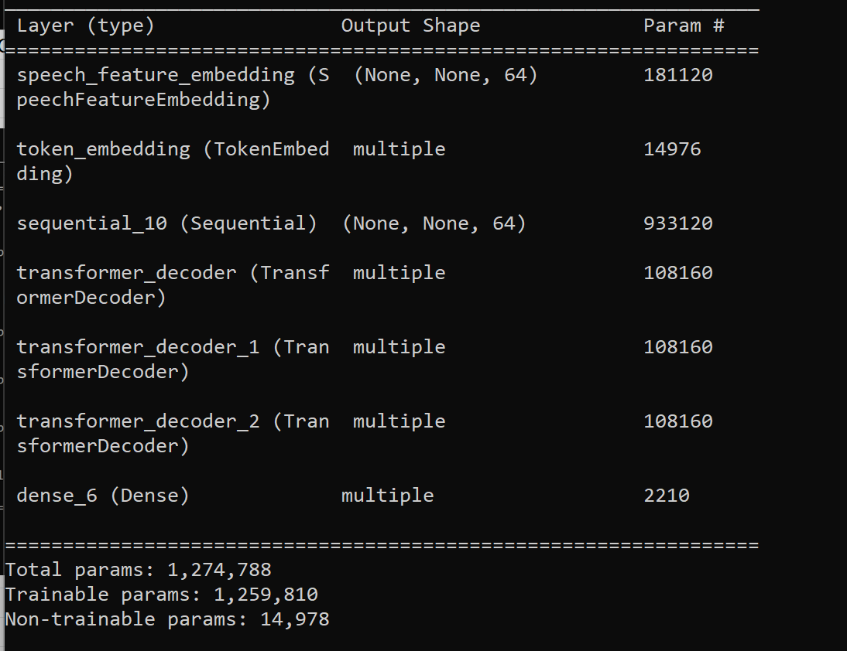
 |  | 19 | 0.21875 | 20 | 78.125
 |  | 20 | 0.265625 | 21 | 73.4375
 |  | 21 | 0.171875 | 22 | 82.8125
 |  | 22 | 0.21875 | 23 | 78.125
 |  | 23 | 0.171875 | 24 | 82.8125
 |  | 24 | 0.21875 | 25 | 78.125
 |  | 25 | 0.1875 | 26 | 81.25
 |  | 26 | 0.203125 | 27 | 79.6875
 |  | 27 | 0.203125 | 28 | 79.6875
 |  | 28 | 0.203125 | 29 | 79.6875
 |  | 29 | 0.140625 | 30 | 85.9375
 |  | 30 | 0.171875 | 31 | 82.8125
 |  | 31 | 0.171875 | 32 | 82.8125
 |  | 32 | 0.15625 | 33 | 84.375
 |  | 33 | 0.203125 | 34 | 79.6875
 |  | 34 | 0.140625 | 35 | 85.9375
 |  | 35 | 0.1875 | 36 | 81.25
 |  | 36 | 0.171875 | 37 | 82.8125
 |  | 37 | 0.125 | 38 | 87.5
 |  | 38 | 0.15625 | 39 | 84.375
 |  | 39 | 0.171875 | 40 | 82.8125
 |  | 40 | 0.140625 | 41 | 85.9375
 |  | 41 | 0.15625 | 42 | 84.375
 |  | 42 | 0.140625 | 43 | 85.9375
 |  | 43 | 0.078125 | 44 | 92.1875
 |  | 44 | 0.140625 | 45 | 85.9375
 |  | 45 | 0.1875 | 46 | 81.25
 |  | 46 | 0.171875 | 47 | 82.8125
 |  | 47 | 0.125 | 48 | 87.5
 |  | 48 | 0.203125 | 49 | 79.6875
 |  | 49 | 0.140625 | 50 | 85.9375
 |  | 50 | 0.09375 | 51 | 90.625
 |  | 51 | 0.078125 | 52 | 92.1875
 |  | 52 | 0.140625 | 53 | 85.9375
 |  | 53 | 0.15625 | 54 | 84.375
 |  | 54 | 0.15625 | 55 | 84.375
 |  | 55 | 0.140625 | 56 | 85.9375
 |  | 56 | 0.109375 | 57 | 89.0625
 |  | 57 | 0.171875 | 58 | 82.8125
 |  | 58 | 0.125 | 59 | 87.5
 |  | 59 | 0.09375 | 60 | 90.625
 |  | 60 | 0.140625 | 61 | 85.9375
 |  | 61 | 0.140625 | 62 | 85.9375
 |  | 62 | 0.125 | 63 | 87.5
 |  | 63 | 0.171875 | 64 | 82.8125
 |  | 64 | 0.0625 | 65 | 93.75
 |  | 65 | 0.125 | 66 | 87.5
 |  | 66 | 0.125 | 67 | 87.5
 |  | 67 | 0.09375 | 68 | 90.625
 |  | 68 | 0.09375 | 69 | 90.625
 |  | 69 | 0.09375 | 70 | 90.625
 |  | 70 | 0.140625 | 71 | 85.9375
 |  | 71 | 0.125 | 72 | 87.5
 |  | 72 | 0.125 | 73 | 87.5
 |  | 73 | 0.078125 | 74 | 92.1875
 |  | 74 | 0.140625 | 75 | 85.9375
 |  | 75 | 0.171875 | 76 | 82.8125
 |  | 76 | 0.15625 | 77 | 84.375
 |  | 77 | 0.125 | 78 | 87.5
 |  | 78 | 0.140625 | 79 | 85.9375
 |  | 79 | 0.15625 | 80 | 84.375
 |  | 80 | 0.15625 | 81 | 84.375
 |  | 81 | 0.140625 | 82 | 85.9375
 |  | 82 | 0.09375 | 83 | 90.625
 |  | 83 | 0.140625 | 84 | 85.9375
 |  | 84 | 0.109375 | 85 | 89.0625
 |  | 85 | 0.109375 | 86 | 89.0625
 |  | 86 | 0.109375 | 87 | 89.0625
 |  | 87 | 0.109375 | 88 | 89.0625
 |  | 88 | 0.109375 | 89 | 89.0625
 |  | 89 | 0.109375 | 90 | 89.0625
 |  | 90 | 0.109375 | 91 | 89.0625
 |  | 91 | 0.109375 | 92 | 89.0625
 |  | 92 | 0.109375 | 93 | 89.0625
 |  | 93 | 0.109375 | 94 | 89.0625
 |  | 94 | 0.109375 | 95 | 89.0625
 |  | 95 | 0.109375 | 96 | 89.0625
 |  | 96 | 0.109375 | 97 | 89.0625
 |  | 97 | 0.109375 | 98 | 89.0625
 |  | 98 | 0.109375 | 99 | 89.0625
 |  | 99 | 0.109375 | 100 | 89.0625

Sequential
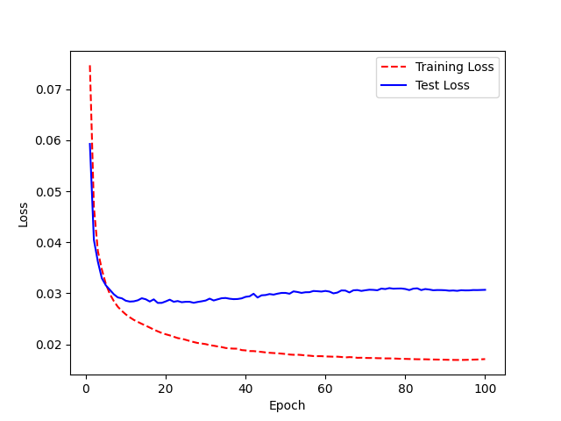
Model Name: LJ200_2.0_UAControl_FreezeSequential.h5 Accuracy:41% | Base model: LJ Speech 200 epochs 2.0, WER 88% | Epoch | WER | Epoch | Accuracy
 |  | 0 | 1.046875 | 1 | -4.6875
model.summary before |  | 1 | 0.984375 | 2 | 1.5625
 |  | 2 | 0.96875 | 3 | 3.125
 |  | 3 | 0.84375 | 4 | 15.625
 |  | 4 | 0.796875 | 5 | 20.3125
 |  | 5 | 0.734375 | 6 | 26.5625
 |  | 6 | 0.640625 | 7 | 35.9375
 |  | 7 | 0.65625 | 8 | 34.375
 |  | 8 | 0.625 | 9 | 37.5
 |  | 9 | 0.59375 | 10 | 40.625
 |  | 10 | 0.578125 | 11 | 42.1875
 |  | 11 | 0.5625 | 12 | 43.75
 |  | 12 | 0.578125 | 13 | 42.1875
 |  | 13 | 0.59375 | 14 | 40.625
 |  | 14 | 0.6875 | 15 | 31.25
 |  | 15 | 0.5 | 16 | 50
 |  | 16 | 0.59375 | 17 | 40.625
 |  | 17 | 0.546875 | 18 | 45.3125
model.summary after |  | 18 | 0.53125 | 19 | 46.875

 |  | 19 | 0.5625 | 20 | 43.75
 |  | 20 | 0.5625 | 21 | 43.75
 |  | 21 | 0.5625 | 22 | 43.75
 |  | 22 | 0.578125 | 23 | 42.1875
 |  | 23 | 0.546875 | 24 | 45.3125
 |  | 24 | 0.59375 | 25 | 40.625
 |  | 25 | 0.5625 | 26 | 43.75
 |  | 26 | 0.484375 | 27 | 51.5625
 |  | 27 | 0.546875 | 28 | 45.3125
 |  | 28 | 0.5 | 29 | 50
 |  | 29 | 0.515625 | 30 | 48.4375
 |  | 30 | 0.578125 | 31 | 42.1875
 |  | 31 | 0.53125 | 32 | 46.875
 |  | 32 | 0.578125 | 33 | 42.1875
 |  | 33 | 0.609375 | 34 | 39.0625
 |  | 34 | 0.5625 | 35 | 43.75
 |  | 35 | 0.515625 | 36 | 48.4375
 |  | 36 | 0.53125 | 37 | 46.875
 |  | 37 | 0.609375 | 38 | 39.0625
 |  | 38 | 0.59375 | 39 | 40.625
 |  | 39 | 0.59375 | 40 | 40.625
 |  | 40 | 0.578125 | 41 | 42.1875
 |  | 41 | 0.59375 | 42 | 40.625
 |  | 42 | 0.53125 | 43 | 46.875
 |  | 43 | 0.546875 | 44 | 45.3125
 |  | 44 | 0.609375 | 45 | 39.0625
 |  | 45 | 0.609375 | 46 | 39.0625
 |  | 46 | 0.5625 | 47 | 43.75
 |  | 47 | 0.578125 | 48 | 42.1875
 |  | 48 | 0.609375 | 49 | 39.0625
 |  | 49 | 0.625 | 50 | 37.5
 |  | 50 | 0.53125 | 51 | 46.875
 |  | 51 | 0.546875 | 52 | 45.3125
 |  | 52 | 0.578125 | 53 | 42.1875
 |  | 53 | 0.59375 | 54 | 40.625
 |  | 54 | 0.53125 | 55 | 46.875
 |  | 55 | 0.53125 | 56 | 46.875
 |  | 56 | 0.5625 | 57 | 43.75
 |  | 57 | 0.5625 | 58 | 43.75
 |  | 58 | 0.546875 | 59 | 45.3125
 |  | 59 | 0.53125 | 60 | 46.875
 |  | 60 | 0.546875 | 61 | 45.3125
 |  | 61 | 0.515625 | 62 | 48.4375
 |  | 62 | 0.515625 | 63 | 48.4375
 |  | 63 | 0.609375 | 64 | 39.0625
 |  | 64 | 0.53125 | 65 | 46.875
 |  | 65 | 0.53125 | 66 | 46.875
 |  | 66 | 0.53125 | 67 | 46.875
 |  | 67 | 0.59375 | 68 | 40.625
 |  | 68 | 0.578125 | 69 | 42.1875
 |  | 69 | 0.5625 | 70 | 43.75
 |  | 70 | 0.609375 | 71 | 39.0625
 |  | 71 | 0.625 | 72 | 37.5
 |  | 72 | 0.625 | 73 | 37.5
 |  | 73 | 0.65625 | 74 | 34.375
 |  | 74 | 0.59375 | 75 | 40.625
 |  | 75 | 0.625 | 76 | 37.5
 |  | 76 | 0.625 | 77 | 37.5
 |  | 77 | 0.625 | 78 | 37.5
 |  | 78 | 0.671875 | 79 | 32.8125
 |  | 79 | 0.640625 | 80 | 35.9375
 |  | 80 | 0.59375 | 81 | 40.625
 |  | 81 | 0.609375 | 82 | 39.0625
 |  | 82 | 0.578125 | 83 | 42.1875
 |  | 83 | 0.546875 | 84 | 45.3125
 |  | 84 | 0.609375 | 85 | 39.0625
 |  | 85 | 0.59375 | 86 | 40.625
 |  | 86 | 0.578125 | 87 | 42.1875
 |  | 87 | 0.59375 | 88 | 40.625
 |  | 88 | 0.59375 | 89 | 40.625
 |  | 89 | 0.59375 | 90 | 40.625
 |  | 90 | 0.609375 | 91 | 39.0625
 |  | 91 | 0.59375 | 92 | 40.625
 |  | 92 | 0.59375 | 93 | 40.625
 |  | 93 | 0.5625 | 94 | 43.75
 |  | 94 | 0.578125 | 95 | 42.1875
 |  | 95 | 0.5625 | 96 | 43.75
 |  | 96 | 0.53125 | 97 | 46.875
 |  | 97 | 0.53125 | 98 | 46.875
 |  | 98 | 0.53125 | 99 | 46.875
 |  | 99 | 0.578125 | 100 | 42.1875
 |  | <__main__.DisplayOutputs object at 0x7f31f3e7a9d0> | 0.578125
 |  | <__main__.DisplayOutputs object at 0x7f31f3e7a9d0> | 0.578125
 |  | <__main__.DisplayOutputs object at 0x7f31f3e7a9d0> | 0.5625
 |  | <__main__.DisplayOutputs object at 0x7f31f3e7a9d0> | 0.578125
 |  | <__main__.DisplayOutputs object at 0x7f31f3e7a9d0> | 0.625
 |  | <__main__.DisplayOutputs object at 0x7f31f3e7a9d0> | 0.5625
 |  | <__main__.DisplayOutputs object at 0x7f31f3e7a9d0> | 0.546875
 |  | <__main__.DisplayOutputs object at 0x7f31f3e7a9d0> | 0.546875
 |  | <__main__.DisplayOutputs object at 0x7f31f3e7a9d0> | 0.46875
 |  | <__main__.DisplayOutputs object at 0x7f31f3e7a9d0> | 0.609375
 |  | <__main__.DisplayOutputs object at 0x7f31f3e7a9d0> | 0.578125
 |  | <__main__.DisplayOutputs object at 0x7f31f3e7a9d0> | 0.59375
 |  | <__main__.DisplayOutputs object at 0x7f31f3e7a9d0> | 0.515625
 |  | <__main__.DisplayOutputs object at 0x7f31f3e7a9d0> | 0.546875
 |  | <__main__.DisplayOutputs object at 0x7f31f3e7a9d0> | 0.703125
 |  | <__main__.DisplayOutputs object at 0x7f31f3e7a9d0> | 0.609375
 |  | <__main__.DisplayOutputs object at 0x7f31f3e7a9d0> | 0.625
 |  | <__main__.DisplayOutputs object at 0x7f31f3e7a9d0> | 0.625
 |  | <__main__.DisplayOutputs object at 0x7f31f3e7a9d0> | 0.640625
 |  | <__main__.DisplayOutputs object at 0x7f31f3e7a9d0> | 0.625
 |  | <__main__.DisplayOutputs object at 0x7f31f3e7a9d0> | 0.578125
 |  | <__main__.DisplayOutputs object at 0x7f31f3e7a9d0> | 0.71875
 |  | <__main__.DisplayOutputs object at 0x7f31f3e7a9d0> | 0.71875
 |  | <__main__.DisplayOutputs object at 0x7f31f3e7a9d0> | 0.625
 |  | <__main__.DisplayOutputs object at 0x7f31f3e7a9d0> | 0.625
 |  | <__main__.DisplayOutputs object at 0x7f31f3e7a9d0> | 0.5
 |  | <__main__.DisplayOutputs object at 0x7f31f3e7a9d0> | 0.53125
 |  | <__main__.DisplayOutputs object at 0x7f31f3e7a9d0> | 0.53125
 |  | <__main__.DisplayOutputs object at 0x7f31f3e7a9d0> | 0.671875
 |  | <__main__.DisplayOutputs object at 0x7f31f3e7a9d0> | 0.703125
 |  | <__main__.DisplayOutputs object at 0x7f31f3e7a9d0> | 0.53125
 |  | <__main__.DisplayOutputs object at 0x7f31f3e7a9d0> | 0.578125
 |  | <__main__.DisplayOutputs object at 0x7f31f3e7a9d0> | 0.5625
 |  | <__main__.DisplayOutputs object at 0x7f31f3e7a9d0> | 0.671875
 |  | <__main__.DisplayOutputs object at 0x7f31f3e7a9d0> | 0.6875
 |  | <__main__.DisplayOutputs object at 0x7f31f3e7a9d0> | 0.59375
 |  | <__main__.DisplayOutputs object at 0x7f31f3e7a9d0> | 0.5625
 |  | <__main__.DisplayOutputs object at 0x7f31f3e7a9d0> | 0.59375
 |  | <__main__.DisplayOutputs object at 0x7f31f3e7a9d0> | 0.4375
 |  | <__main__.DisplayOutputs object at 0x7f31f3e7a9d0> | 0.609375
 |  | <__main__.DisplayOutputs object at 0x7f31f3e7a9d0> | 0.578125
 |  | <__main__.DisplayOutputs object at 0x7f31f3e7a9d0> | 0.546875
 |  | <__main__.DisplayOutputs object at 0x7f31f3e7a9d0> | 0.5
 |  | <__main__.DisplayOutputs object at 0x7f31f3e7a9d0> | 0.640625
 |  | <__main__.DisplayOutputs object at 0x7f31f3e7a9d0> | 0.703125
 |  | <__main__.DisplayOutputs object at 0x7f31f3e7a9d0> | 0.609375
 |  | <__main__.DisplayOutputs object at 0x7f31f3e7a9d0> | 0.546875
 |  | <__main__.DisplayOutputs object at 0x7f31f3e7a9d0> | 0.4375
 |  | <__main__.DisplayOutputs object at 0x7f31f3e7a9d0> | 0.484375
 |  | <__main__.DisplayOutputs object at 0x7f31f3e7a9d0> | 0.65625
 |  | <__main__.DisplayOutputs object at 0x7f31f3e7a9d0> | 0.49090909091

D1
Model Name: LJ200_2.0_UAControl_FreezeD1.h5 Accuracy:90% (3% increase) | Base model: LJ Speech 200 epochs 2.0, WER 88% | Epoch | WER | Epoch | Accuracy
 |  | 0 | 0.984375 | 1 | 1.5625
model.summary before |  | 1 | 0.875 | 2 | 12.5

 |  | 2 | 0.71875 | 3 | 28.125
 |  | 3 | 0.46875 | 4 | 53.125
 |  | 4 | 0.3125 | 5 | 68.75
 |  | 5 | 0.25 | 6 | 75
 |  | 6 | 0.21875 | 7 | 78.125
 |  | 7 | 0.234375 | 8 | 76.5625
 |  | 8 | 0.15625 | 9 | 84.375
 |  | 9 | 0.1875 | 10 | 81.25
 |  | 10 | 0.234375 | 11 | 76.5625
 |  | 11 | 0.234375 | 12 | 76.5625
 |  | 12 | 0.234375 | 13 | 76.5625
 |  | 13 | 0.21875 | 14 | 78.125
 |  | 14 | 0.265625 | 15 | 73.4375
 |  | 15 | 0.234375 | 16 | 76.5625
 |  | 16 | 0.234375 | 17 | 76.5625
 |  | 17 | 0.140625 | 18 | 85.9375
 | Accuracy
 | 1.5625
 | 12.5
 | 28.125
 | 53.125
 | 68.75
 | 75
 | 78.125
 | 76.5625
 | 84.375
 | 81.25
 | 76.5625
 | 76.5625
 | 76.5625
 | 78.125
 | 73.4375
 | 76.5625
 | 76.5625
 | 85.9375
 | 87.5
 | 82.8125
 | 79.6875
 | 84.375
 | 79.6875
 | 79.6875
 | 87.5
 | 76.5625
 | 87.5
 | 75
 | 87.5
 | 85.9375
 | 87.5
 | 85.9375
 | 89.0625
 | 82.8125
 | 87.5
 | 85.9375
 | 84.375
 | 89.0625
 | 89.0625
 | 87.5
 | 85.9375
 | 85.9375
 | 89.0625
 | 82.8125
 | 85.9375
 | 85.9375
 | 81.25
 | 85.9375
 | 87.5
 | 84.375
...
model.summary after |  | 18 | 0.125 | 19 | 87.5
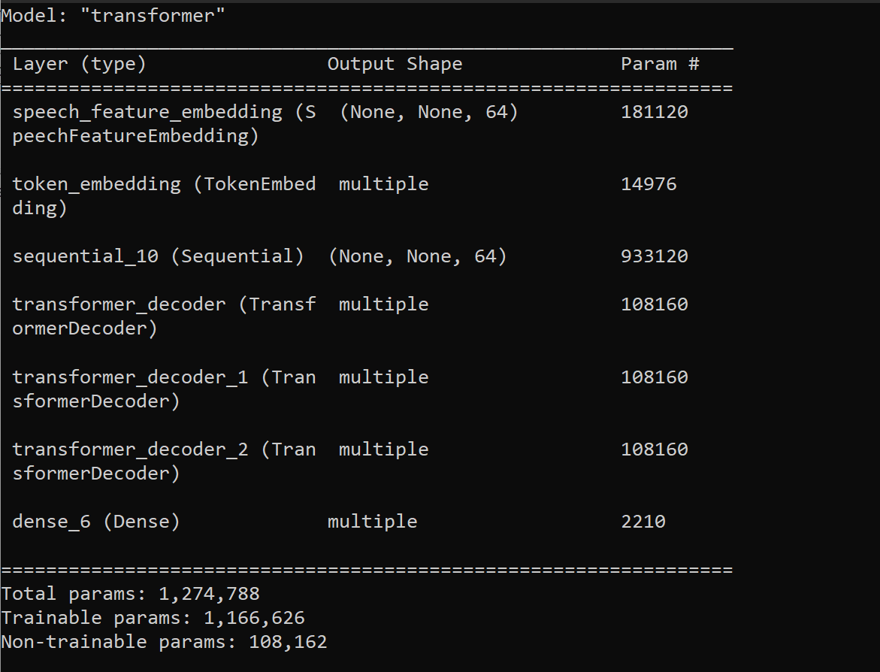
 |  | 19 | 0.171875 | 20 | 82.8125
 |  | 20 | 0.203125 | 21 | 79.6875
 |  | 21 | 0.15625 | 22 | 84.375
 |  | 22 | 0.203125 | 23 | 79.6875
 |  | 23 | 0.203125 | 24 | 79.6875
 |  | 24 | 0.125 | 25 | 87.5
 |  | 25 | 0.234375 | 26 | 76.5625
 |  | 26 | 0.125 | 27 | 87.5
 |  | 27 | 0.25 | 28 | 75
 |  | 28 | 0.125 | 29 | 87.5
 |  | 29 | 0.140625 | 30 | 85.9375
 |  | 30 | 0.125 | 31 | 87.5
 |  | 31 | 0.140625 | 32 | 85.9375
 |  | 32 | 0.109375 | 33 | 89.0625
 |  | 33 | 0.171875 | 34 | 82.8125
 |  | 34 | 0.125 | 35 | 87.5
 |  | 35 | 0.140625 | 36 | 85.9375
 |  | 36 | 0.15625 | 37 | 84.375
 |  | 37 | 0.109375 | 38 | 89.0625
 |  | 38 | 0.109375 | 39 | 89.0625
 |  | 39 | 0.125 | 40 | 87.5
 |  | 40 | 0.140625 | 41 | 85.9375
 |  | 41 | 0.140625 | 42 | 85.9375
 |  | 42 | 0.109375 | 43 | 89.0625
 |  | 43 | 0.171875 | 44 | 82.8125
 |  | 44 | 0.140625 | 45 | 85.9375
 |  | 45 | 0.140625 | 46 | 85.9375
 |  | 46 | 0.1875 | 47 | 81.25
 |  | 47 | 0.140625 | 48 | 85.9375
 |  | 48 | 0.125 | 49 | 87.5
 |  | 49 | 0.15625 | 50 | 84.375
 |  | 50 | 0.140625 | 51 | 85.9375
 |  | 51 | 0.125 | 52 | 87.5
 |  | 52 | 0.15625 | 53 | 84.375
 |  | 53 | 0.09375 | 54 | 90.625
 |  | 54 | 0.15625 | 55 | 84.375
 |  | 55 | 0.1875 | 56 | 81.25
 |  | 56 | 0.125 | 57 | 87.5
 |  | 57 | 0.140625 | 58 | 85.9375
 |  | 58 | 0.15625 | 59 | 84.375
 |  | 59 | 0.1875 | 60 | 81.25
 |  | 60 | 0.109375 | 61 | 89.0625
 |  | 61 | 0.0625 | 62 | 93.75
 |  | 62 | 0.046875 | 63 | 95.3125
 |  | 63 | 0.109375 | 64 | 89.0625
 |  | 64 | 0.109375 | 65 | 89.0625
 |  | 65 | 0.109375 | 66 | 89.0625
 |  | 66 | 0.0625 | 67 | 93.75
 |  | 67 | 0.09375 | 68 | 90.625
 |  | 68 | 0.09375 | 69 | 90.625
 |  | 69 | 0.09375 | 70 | 90.625
 |  | 70 | 0.09375 | 71 | 90.625
 |  | 71 | 0.109375 | 72 | 89.0625
 |  | 72 | 0.09375 | 73 | 90.625
 |  | 73 | 0.125 | 74 | 87.5
 |  | 74 | 0.109375 | 75 | 89.0625
 |  | 75 | 0.078125 | 76 | 92.1875
 |  | 76 | 0.109375 | 77 | 89.0625
 |  | 77 | 0.125 | 78 | 87.5
 |  | 78 | 0.140625 | 79 | 85.9375
 |  | 79 | 0.125 | 80 | 87.5
 |  | 80 | 0.125 | 81 | 87.5
 |  | 81 | 0.078125 | 82 | 92.1875
 |  | 82 | 0.125 | 83 | 87.5
 |  | 83 | 0.09375 | 84 | 90.625
 |  | 84 | 0.09375 | 85 | 90.625
 |  | 85 | 0.09375 | 86 | 90.625
 |  | 86 | 0.09375 | 87 | 90.625
 |  | 87 | 0.09375 | 88 | 90.625
 |  | 88 | 0.09375 | 89 | 90.625
 |  | 89 | 0.09375 | 90 | 90.625
 |  | 90 | 0.09375 | 91 | 90.625
 |  | 91 | 0.09375 | 92 | 90.625
 |  | 92 | 0.09375 | 93 | 90.625
 |  | 93 | 0.09375 | 94 | 90.625
 |  | 94 | 0.09375 | 95 | 90.625
 |  | 95 | 0.09375 | 96 | 90.625
 |  | 96 | 0.09375 | 97 | 90.625
 |  | 97 | 0.09375 | 98 | 90.625
 |  | 98 | 0.09375 | 99 | 90.625
 |  | 99 | 0.09375 | 100 | 90.625
 |  | <__main__.DisplayOutputs object at 0x7fc6bbd46760> | 0.09375
 |  | <__main__.DisplayOutputs object at 0x7fc6bbd46760> | 0.109375
 |  | <__main__.DisplayOutputs object at 0x7fc6bbd46760> | 0.09375
 |  | <__main__.DisplayOutputs object at 0x7fc6bbd46760> | 0.140625
 |  | <__main__.DisplayOutputs object at 0x7fc6bbd46760> | 0.09375
 |  | <__main__.DisplayOutputs object at 0x7fc6bbd46760> | 0.078125
 |  | <__main__.DisplayOutputs object at 0x7fc6bbd46760> | 0.09375
 |  | <__main__.DisplayOutputs object at 0x7fc6bbd46760> | 0.15625
 |  | <__main__.DisplayOutputs object at 0x7fc6bbd46760> | 0.09375
 |  | <__main__.DisplayOutputs object at 0x7fc6bbd46760> | 0.078125
 |  | <__main__.DisplayOutputs object at 0x7fc6bbd46760> | 0.078125
 |  | <__main__.DisplayOutputs object at 0x7fc6bbd46760> | 0.078125
 |  | <__main__.DisplayOutputs object at 0x7fc6bbd46760> | 0.078125
 |  | <__main__.DisplayOutputs object at 0x7fc6bbd46760> | 0.0625
 |  | <__main__.DisplayOutputs object at 0x7fc6bbd46760> | 0.03125
 |  | <__main__.DisplayOutputs object at 0x7fc6bbd46760> | 0.109375
 |  | <__main__.DisplayOutputs object at 0x7fc6bbd46760> | 0.109375
 |  | <__main__.DisplayOutputs object at 0x7fc6bbd46760> | 0.09375
 |  | <__main__.DisplayOutputs object at 0x7fc6bbd46760> | 0.109375
 |  | <__main__.DisplayOutputs object at 0x7fc6bbd46760> | 0.09375
 |  | <__main__.DisplayOutputs object at 0x7fc6bbd46760> | 0.078125
 |  | <__main__.DisplayOutputs object at 0x7fc6bbd46760> | 0.046875
 |  | <__main__.DisplayOutputs object at 0x7fc6bbd46760> | 0.109375
 |  | <__main__.DisplayOutputs object at 0x7fc6bbd46760> | 0.0625
 |  | <__main__.DisplayOutputs object at 0x7fc6bbd46760> | 0.109375
 |  | <__main__.DisplayOutputs object at 0x7fc6bbd46760> | 0.109375
 |  | <__main__.DisplayOutputs object at 0x7fc6bbd46760> | 0.09375
 |  | <__main__.DisplayOutputs object at 0x7fc6bbd46760> | 0.078125
 |  | <__main__.DisplayOutputs object at 0x7fc6bbd46760> | 0.140625
 |  | <__main__.DisplayOutputs object at 0x7fc6bbd46760> | 0.09375
 |  | <__main__.DisplayOutputs object at 0x7fc6bbd46760> | 0.125
 |  | <__main__.DisplayOutputs object at 0x7fc6bbd46760> | 0.125
 |  | <__main__.DisplayOutputs object at 0x7fc6bbd46760> | 0.15625
 |  | <__main__.DisplayOutputs object at 0x7fc6bbd46760> | 0.109375
 |  | <__main__.DisplayOutputs object at 0x7fc6bbd46760> | 0.046875
 |  | <__main__.DisplayOutputs object at 0x7fc6bbd46760> | 0.140625
 |  | <__main__.DisplayOutputs object at 0x7fc6bbd46760> | 0.125
 |  | <__main__.DisplayOutputs object at 0x7fc6bbd46760> | 0.09375
 |  | <__main__.DisplayOutputs object at 0x7fc6bbd46760> | 0.09375
 |  | <__main__.DisplayOutputs object at 0x7fc6bbd46760> | 0.078125
 |  | <__main__.DisplayOutputs object at 0x7fc6bbd46760> | 0.109375
 |  | <__main__.DisplayOutputs object at 0x7fc6bbd46760> | 0.109375
 |  | <__main__.DisplayOutputs object at 0x7fc6bbd46760> | 0.09375
 |  | <__main__.DisplayOutputs object at 0x7fc6bbd46760> | 0.171875
 |  | <__main__.DisplayOutputs object at 0x7fc6bbd46760> | 0.125
 |  | <__main__.DisplayOutputs object at 0x7fc6bbd46760> | 0.0625

D12
Model Name: LJ200_2.0_UAControl_FreezeD1.h5 Accuracy:89% (2% increase) | Base model: LJ Speech 200 epochs 2.0, WER 88% | Epoch | WER | Epoch | Accuracy
 |  | 0 | 1.046875 | 1 | -4.6875
model.summary before |  | 1 | 0.859375 | 2 | 14.0625

 |  | 2 | 0.65625 | 3 | 34.375
 |  | 3 | 0.4375 | 4 | 56.25
 |  | 4 | 0.28125 | 5 | 71.875
 |  | 5 | 0.296875 | 6 | 70.3125
 |  | 6 | 0.265625 | 7 | 73.4375
 |  | 7 | 0.25 | 8 | 75
 |  | 8 | 0.234375 | 9 | 76.5625
 |  | 9 | 0.234375 | 10 | 76.5625
 |  | 10 | 0.234375 | 11 | 76.5625
 |  | 11 | 0.296875 | 12 | 70.3125
 |  | 12 | 0.234375 | 13 | 76.5625
 |  | 13 | 0.34375 | 14 | 65.625
 |  | 14 | 0.25 | 15 | 75
 |  | 15 | 0.21875 | 16 | 78.125
 | Accuracy
 | -4.6875
 | 14.0625
 | 34.375
 | 56.25
 | 71.875
 | 70.3125
 | 73.4375
 | 75
 | 76.5625
 | 76.5625
 | 76.5625
 | 70.3125
 | 76.5625
 | 65.625
 | 75
 | 78.125
 | 71.875
 | 75
 | 78.125
 | 82.8125
 | 78.125
 | 75
 | 78.125
 | 84.375
 | 81.25
 | 81.25
 | 79.6875
 | 78.125
 | 79.6875
 | 87.5
 | 82.8125
 | 81.25
 | 89.0625
 | 81.25
 | 82.8125
 | 84.375
 | 82.8125
 | 81.25
 | 87.5
 | 79.6875
 | 89.0625
 | 85.9375
 | 79.6875
 | 81.25
 | 82.8125
 | 81.25
 | 84.375
 | 79.6875
 | 84.375
 | 79.6875
...
 |  | 16 | 0.28125 | 17 | 71.875
 |  | 17 | 0.25 | 18 | 75
model.summary after |  | 18 | 0.21875 | 19 | 78.125
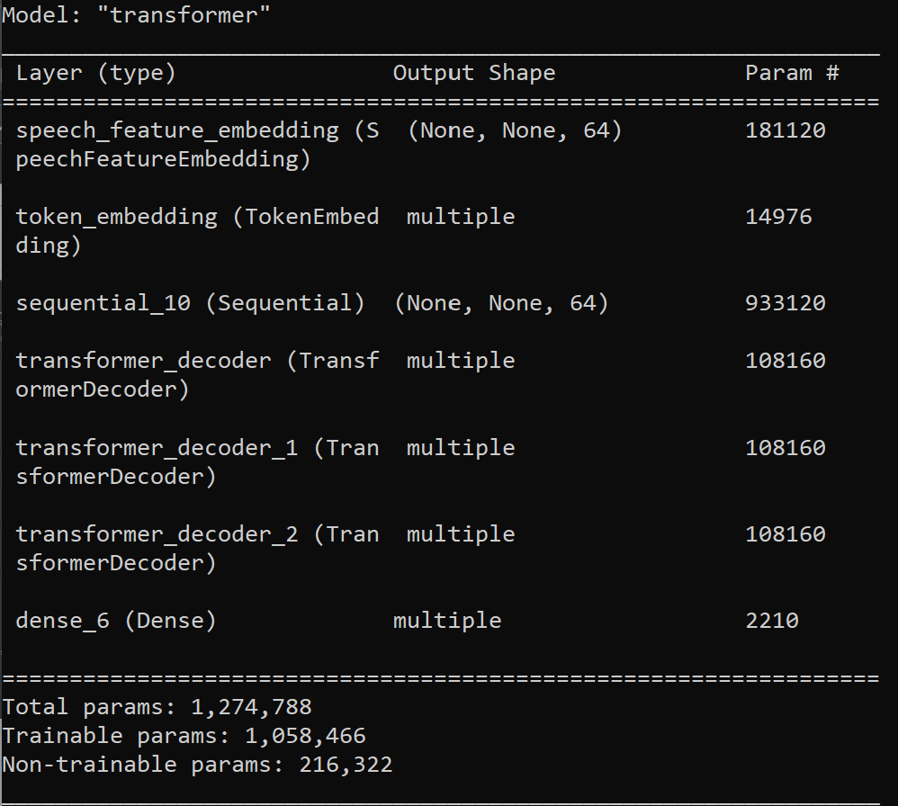
 |  | 19 | 0.171875 | 20 | 82.8125
 |  | 20 | 0.21875 | 21 | 78.125
 |  | 21 | 0.25 | 22 | 75
 |  | 22 | 0.21875 | 23 | 78.125
 |  | 23 | 0.15625 | 24 | 84.375
 |  | 24 | 0.1875 | 25 | 81.25
 |  | 25 | 0.1875 | 26 | 81.25
 |  | 26 | 0.203125 | 27 | 79.6875
 |  | 27 | 0.21875 | 28 | 78.125
 |  | 28 | 0.203125 | 29 | 79.6875
 |  | 29 | 0.125 | 30 | 87.5
 |  | 30 | 0.171875 | 31 | 82.8125
 |  | 31 | 0.1875 | 32 | 81.25
 |  | 32 | 0.109375 | 33 | 89.0625
 |  | 33 | 0.1875 | 34 | 81.25
 |  | 34 | 0.171875 | 35 | 82.8125
 |  | 35 | 0.15625 | 36 | 84.375
 |  | 36 | 0.171875 | 37 | 82.8125
 |  | 37 | 0.1875 | 38 | 81.25
 |  | 38 | 0.125 | 39 | 87.5
 |  | 39 | 0.203125 | 40 | 79.6875
 |  | 40 | 0.109375 | 41 | 89.0625
 |  | 41 | 0.140625 | 42 | 85.9375
 |  | 42 | 0.203125 | 43 | 79.6875
 |  | 43 | 0.1875 | 44 | 81.25
 |  | 44 | 0.171875 | 45 | 82.8125
 |  | 45 | 0.1875 | 46 | 81.25
 |  | 46 | 0.15625 | 47 | 84.375
 |  | 47 | 0.203125 | 48 | 79.6875
 |  | 48 | 0.15625 | 49 | 84.375
 |  | 49 | 0.203125 | 50 | 79.6875
 |  | 50 | 0.140625 | 51 | 85.9375
 |  | 51 | 0.203125 | 52 | 79.6875
 |  | 52 | 0.125 | 53 | 87.5
 |  | 53 | 0.203125 | 54 | 79.6875
 |  | 54 | 0.1875 | 55 | 81.25
 |  | 55 | 0.203125 | 56 | 79.6875
 |  | 56 | 0.234375 | 57 | 76.5625
 |  | 57 | 0.140625 | 58 | 85.9375
 |  | 58 | 0.140625 | 59 | 85.9375
 |  | 59 | 0.1875 | 60 | 81.25
 |  | 60 | 0.1875 | 61 | 81.25
 |  | 61 | 0.1875 | 62 | 81.25
 |  | 62 | 0.125 | 63 | 87.5
 |  | 63 | 0.21875 | 64 | 78.125
 |  | 64 | 0.15625 | 65 | 84.375
 |  | 65 | 0.171875 | 66 | 82.8125
 |  | 66 | 0.15625 | 67 | 84.375
 |  | 67 | 0.171875 | 68 | 82.8125
 |  | 68 | 0.203125 | 69 | 79.6875
 |  | 69 | 0.15625 | 70 | 84.375
 |  | 70 | 0.1875 | 71 | 81.25
 |  | 71 | 0.1875 | 72 | 81.25
 |  | 72 | 0.109375 | 73 | 89.0625
 |  | 73 | 0.109375 | 74 | 89.0625
 |  | 74 | 0.140625 | 75 | 85.9375
 |  | 75 | 0.171875 | 76 | 82.8125
 |  | 76 | 0.109375 | 77 | 89.0625
 |  | 77 | 0.21875 | 78 | 78.125
 |  | 78 | 0.15625 | 79 | 84.375
 |  | 79 | 0.171875 | 80 | 82.8125
 |  | 80 | 0.140625 | 81 | 85.9375
 |  | 81 | 0.171875 | 82 | 82.8125
 |  | 82 | 0.109375 | 83 | 89.0625
 |  | 83 | 0.1875 | 84 | 81.25
 |  | 84 | 0.15625 | 85 | 84.375
 |  | 85 | 0.15625 | 86 | 84.375
 |  | 86 | 0.15625 | 87 | 84.375
 |  | 87 | 0.125 | 88 | 87.5
 |  | 88 | 0.125 | 89 | 87.5
 |  | 89 | 0.140625 | 90 | 85.9375
 |  | 90 | 0.140625 | 91 | 85.9375
 |  | 91 | 0.140625 | 92 | 85.9375
 |  | 92 | 0.140625 | 93 | 85.9375
 |  | 93 | 0.140625 | 94 | 85.9375
 |  | 94 | 0.140625 | 95 | 85.9375
 |  | 95 | 0.140625 | 96 | 85.9375
 |  | 96 | 0.140625 | 97 | 85.9375
 |  | 97 | 0.140625 | 98 | 85.9375
 |  | 98 | 0.140625 | 99 | 85.9375
 |  | 99 | 0.140625 | 100 | 85.9375
 |  | <__main__.DisplayOutputs object at 0x7fa0d88d6d60> | 0.140625
 |  | <__main__.DisplayOutputs object at 0x7fa0d88d6d60> | 0.078125
 |  | <__main__.DisplayOutputs object at 0x7fa0d88d6d60> | 0.046875
 |  | <__main__.DisplayOutputs object at 0x7fa0d88d6d60> | 0.125
 |  | <__main__.DisplayOutputs object at 0x7fa0d88d6d60> | 0.09375
 |  | <__main__.DisplayOutputs object at 0x7fa0d88d6d60> | 0.078125
 |  | <__main__.DisplayOutputs object at 0x7fa0d88d6d60> | 0.125
 |  | <__main__.DisplayOutputs object at 0x7fa0d88d6d60> | 0.171875
 |  | <__main__.DisplayOutputs object at 0x7fa0d88d6d60> | 0.046875
 |  | <__main__.DisplayOutputs object at 0x7fa0d88d6d60> | 0.1875
 |  | <__main__.DisplayOutputs object at 0x7fa0d88d6d60> | 0.078125
 |  | <__main__.DisplayOutputs object at 0x7fa0d88d6d60> | 0.125
 |  | <__main__.DisplayOutputs object at 0x7fa0d88d6d60> | 0.03125
 |  | <__main__.DisplayOutputs object at 0x7fa0d88d6d60> | 0.0625
 |  | <__main__.DisplayOutputs object at 0x7fa0d88d6d60> | 0.0625
 |  | <__main__.DisplayOutputs object at 0x7fa0d88d6d60> | 0.125
 |  | <__main__.DisplayOutputs object at 0x7fa0d88d6d60> | 0.046875
 |  | <__main__.DisplayOutputs object at 0x7fa0d88d6d60> | 0.109375
 |  | <__main__.DisplayOutputs object at 0x7fa0d88d6d60> | 0.125
 |  | <__main__.DisplayOutputs object at 0x7fa0d88d6d60> | 0.09375
 |  | <__main__.DisplayOutputs object at 0x7fa0d88d6d60> | 0.0625
 |  | <__main__.DisplayOutputs object at 0x7fa0d88d6d60> | 0.078125
 |  | <__main__.DisplayOutputs object at 0x7fa0d88d6d60> | 0.09375
 |  | <__main__.DisplayOutputs object at 0x7fa0d88d6d60> | 0.140625
 |  | <__main__.DisplayOutputs object at 0x7fa0d88d6d60> | 0.0625
 |  | <__main__.DisplayOutputs object at 0x7fa0d88d6d60> | 0.140625
 |  | <__main__.DisplayOutputs object at 0x7fa0d88d6d60> | 0.21875
 |  | <__main__.DisplayOutputs object at 0x7fa0d88d6d60> | 0.09375
 |  | <__main__.DisplayOutputs object at 0x7fa0d88d6d60> | 0.1875
 |  | <__main__.DisplayOutputs object at 0x7fa0d88d6d60> | 0.109375
 |  | <__main__.DisplayOutputs object at 0x7fa0d88d6d60> | 0.09375
 |  | <__main__.DisplayOutputs object at 0x7fa0d88d6d60> | 0.125
 |  | <__main__.DisplayOutputs object at 0x7fa0d88d6d60> | 0.140625
 |  | <__main__.DisplayOutputs object at 0x7fa0d88d6d60> | 0.078125
 |  | <__main__.DisplayOutputs object at 0x7fa0d88d6d60> | 0.09375
 |  | <__main__.DisplayOutputs object at 0x7fa0d88d6d60> | 0.203125
 |  | <__main__.DisplayOutputs object at 0x7fa0d88d6d60> | 0.109375
 |  | <__main__.DisplayOutputs object at 0x7fa0d88d6d60> | 0.078125
 |  | <__main__.DisplayOutputs object at 0x7fa0d88d6d60> | 0.078125
 |  | <__main__.DisplayOutputs object at 0x7fa0d88d6d60> | 0.09375
 |  | <__main__.DisplayOutputs object at 0x7fa0d88d6d60> | 0.0625
 |  | <__main__.DisplayOutputs object at 0x7fa0d88d6d60> | 0.15625
 |  | <__main__.DisplayOutputs object at 0x7fa0d88d6d60> | 0.078125
 |  | <__main__.DisplayOutputs object at 0x7fa0d88d6d60> | 0.203125
 |  | <__main__.DisplayOutputs object at 0x7fa0d88d6d60> | 0.140625
 |  | <__main__.DisplayOutputs object at 0x7fa0d88d6d60> | 0.109375
 |  | <__main__.DisplayOutputs object at 0x7fa0d88d6d60> | 0.171875
 |  | <__main__.DisplayOutputs object at 0x7fa0d88d6d60> | 0.078125
 |  | <__main__.DisplayOutputs object at 0x7fa0d88d6d60> | 0.15625
 |  | <__main__.DisplayOutputs object at 0x7fa0d88d6d60> | 0.078125
 |  | <__main__.DisplayOutputs object at 0x7fa0d88d6d60> | 0.072727272727

D123
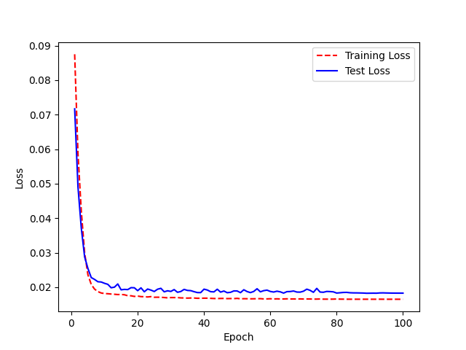
Model Name: LJ200_2.0_UAControl_FreezeD123.h5 Accuracy:90% (3% increase) | Base model: LJ Speech 200 epochs 2.0, WER 88% | Epoch | WER | Epoch | Accuracy
 |  | 0 | 1.171875 | 1 | -17.1875
model.summary before |  | 1 | 1 | 2 | 0
 |  | 2 | 0.8125 | 3 | 18.75
 |  | 3 | 0.609375 | 4 | 39.0625
 |  | 4 | 0.4375 | 5 | 56.25
 |  | 5 | 0.28125 | 6 | 71.875
 |  | 6 | 0.359375 | 7 | 64.0625
 |  | 7 | 0.265625 | 8 | 73.4375
 |  | 8 | 0.265625 | 9 | 73.4375
 |  | 9 | 0.296875 | 10 | 70.3125
 |  | 10 | 0.296875 | 11 | 70.3125
 |  | 11 | 0.203125 | 12 | 79.6875
 |  | 12 | 0.171875 | 13 | 82.8125
 |  | 13 | 0.234375 | 14 | 76.5625
 |  | 14 | 0.109375 | 15 | 89.0625
 |  | 15 | 0.15625 | 16 | 84.375
 |  | 16 | 0.140625 | 17 | 85.9375
 |  | 17 | 0.21875 | 18 | 78.125
 | Accuracy
 | -17.1875
 | 0
 | 18.75
 | 39.0625
 | 56.25
 | 71.875
 | 64.0625
 | 73.4375
 | 73.4375
 | 70.3125
 | 70.3125
 | 79.6875
 | 82.8125
 | 76.5625
 | 89.0625
 | 84.375
 | 85.9375
 | 78.125
 | 79.6875
 | 90.625
 | 84.375
 | 84.375
 | 81.25
 | 87.5
 | 85.9375
 | 81.25
 | 82.8125
 | 85.9375
 | 85.9375
 | 85.9375
 | 85.9375
 | 82.8125
 | 82.8125
 | 82.8125
 | 84.375
 | 84.375
 | 87.5
 | 89.0625
 | 90.625
 | 85.9375
 | 87.5
 | 84.375
 | 84.375
 | 84.375
 | 89.0625
 | 87.5
 | 87.5
 | 92.1875
 | 87.5
 | 87.5
...
model.summary after |  | 18 | 0.203125 | 19 | 79.6875
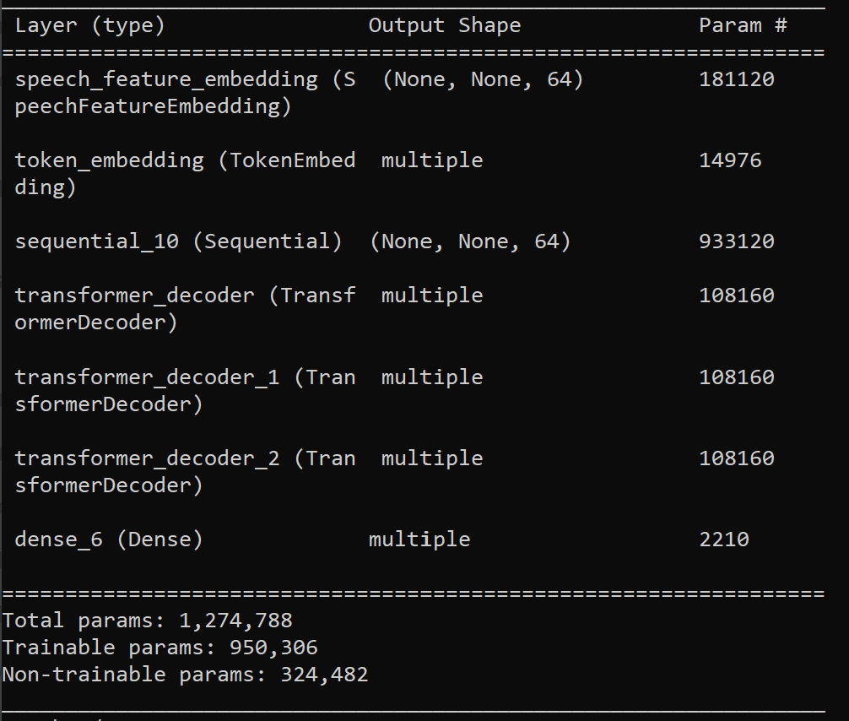
 |  | 19 | 0.09375 | 20 | 90.625
 |  | 20 | 0.15625 | 21 | 84.375
 |  | 21 | 0.15625 | 22 | 84.375
 |  | 22 | 0.1875 | 23 | 81.25
 |  | 23 | 0.125 | 24 | 87.5
 |  | 24 | 0.140625 | 25 | 85.9375
 |  | 25 | 0.1875 | 26 | 81.25
 |  | 26 | 0.171875 | 27 | 82.8125
 |  | 27 | 0.140625 | 28 | 85.9375
 |  | 28 | 0.140625 | 29 | 85.9375
 |  | 29 | 0.140625 | 30 | 85.9375
 |  | 30 | 0.140625 | 31 | 85.9375
 |  | 31 | 0.171875 | 32 | 82.8125
 |  | 32 | 0.171875 | 33 | 82.8125
 |  | 33 | 0.171875 | 34 | 82.8125
 |  | 34 | 0.15625 | 35 | 84.375
 |  | 35 | 0.15625 | 36 | 84.375
 |  | 36 | 0.125 | 37 | 87.5
 |  | 37 | 0.109375 | 38 | 89.0625
 |  | 38 | 0.09375 | 39 | 90.625
 |  | 39 | 0.140625 | 40 | 85.9375
 |  | 40 | 0.125 | 41 | 87.5
 |  | 41 | 0.15625 | 42 | 84.375
 |  | 42 | 0.15625 | 43 | 84.375
 |  | 43 | 0.15625 | 44 | 84.375
 |  | 44 | 0.109375 | 45 | 89.0625
 |  | 45 | 0.125 | 46 | 87.5
 |  | 46 | 0.125 | 47 | 87.5
 |  | 47 | 0.078125 | 48 | 92.1875
 |  | 48 | 0.125 | 49 | 87.5
 |  | 49 | 0.125 | 50 | 87.5
 |  | 50 | 0.078125 | 51 | 92.1875
 |  | 51 | 0.125 | 52 | 87.5
 |  | 52 | 0.15625 | 53 | 84.375
 |  | 53 | 0.09375 | 54 | 90.625
 |  | 54 | 0.078125 | 55 | 92.1875
 |  | 55 | 0.109375 | 56 | 89.0625
 |  | 56 | 0.109375 | 57 | 89.0625
 |  | 57 | 0.125 | 58 | 87.5
 |  | 58 | 0.1875 | 59 | 81.25
 |  | 59 | 0.09375 | 60 | 90.625
 |  | 60 | 0.09375 | 61 | 90.625
 |  | 61 | 0.125 | 62 | 87.5
 |  | 62 | 0.09375 | 63 | 90.625
 |  | 63 | 0.078125 | 64 | 92.1875
 |  | 64 | 0.125 | 65 | 87.5
 |  | 65 | 0.109375 | 66 | 89.0625
 |  | 66 | 0.125 | 67 | 87.5
 |  | 67 | 0.09375 | 68 | 90.625
 |  | 68 | 0.125 | 69 | 87.5
 |  | 69 | 0.109375 | 70 | 89.0625
 |  | 70 | 0.125 | 71 | 87.5
 |  | 71 | 0.125 | 72 | 87.5
 |  | 72 | 0.125 | 73 | 87.5
 |  | 73 | 0.171875 | 74 | 82.8125
 |  | 74 | 0.15625 | 75 | 84.375
 |  | 75 | 0.125 | 76 | 87.5
 |  | 76 | 0.125 | 77 | 87.5
 |  | 77 | 0.140625 | 78 | 85.9375
 |  | 78 | 0.125 | 79 | 87.5
 |  | 79 | 0.109375 | 80 | 89.0625
 |  | 80 | 0.125 | 81 | 87.5
 |  | 81 | 0.125 | 82 | 87.5
 |  | 82 | 0.125 | 83 | 87.5
 |  | 83 | 0.125 | 84 | 87.5
 |  | 84 | 0.125 | 85 | 87.5
 |  | 85 | 0.125 | 86 | 87.5
 |  | 86 | 0.109375 | 87 | 89.0625
 |  | 87 | 0.109375 | 88 | 89.0625
 |  | 88 | 0.09375 | 89 | 90.625
 |  | 89 | 0.09375 | 90 | 90.625
 |  | 90 | 0.09375 | 91 | 90.625
 |  | 91 | 0.09375 | 92 | 90.625
 |  | 92 | 0.09375 | 93 | 90.625
 |  | 93 | 0.125 | 94 | 87.5
 |  | 94 | 0.109375 | 95 | 89.0625
 |  | 95 | 0.109375 | 96 | 89.0625
 |  | 96 | 0.109375 | 97 | 89.0625
 |  | 97 | 0.109375 | 98 | 89.0625
 |  | 98 | 0.109375 | 99 | 89.0625
 |  | 99 | 0.109375 | 100 | 89.0625
 |  | <__main__.DisplayOutputs object at 0x7f7730457880> | 0.109375
 |  | <__main__.DisplayOutputs object at 0x7f7730457880> | 0.09375
 |  | <__main__.DisplayOutputs object at 0x7f7730457880> | 0.09375
 |  | <__main__.DisplayOutputs object at 0x7f7730457880> | 0.109375
 |  | <__main__.DisplayOutputs object at 0x7f7730457880> | 0.140625
 |  | <__main__.DisplayOutputs object at 0x7f7730457880> | 0.09375
 |  | <__main__.DisplayOutputs object at 0x7f7730457880> | 0.109375
 |  | <__main__.DisplayOutputs object at 0x7f7730457880> | 0.109375
 |  | <__main__.DisplayOutputs object at 0x7f7730457880> | 0.0625
 |  | <__main__.DisplayOutputs object at 0x7f7730457880> | 0.15625
 |  | <__main__.DisplayOutputs object at 0x7f7730457880> | 0.046875
 |  | <__main__.DisplayOutputs object at 0x7f7730457880> | 0.078125
 |  | <__main__.DisplayOutputs object at 0x7f7730457880> | 0.09375
 |  | <__main__.DisplayOutputs object at 0x7f7730457880> | 0.046875
 |  | <__main__.DisplayOutputs object at 0x7f7730457880> | 0.03125
 |  | <__main__.DisplayOutputs object at 0x7f7730457880> | 0.109375
 |  | <__main__.DisplayOutputs object at 0x7f7730457880> | 0.09375
 |  | <__main__.DisplayOutputs object at 0x7f7730457880> | 0.125
 |  | <__main__.DisplayOutputs object at 0x7f7730457880> | 0.078125
 |  | <__main__.DisplayOutputs object at 0x7f7730457880> | 0.109375
 |  | <__main__.DisplayOutputs object at 0x7f7730457880> | 0.0625
 |  | <__main__.DisplayOutputs object at 0x7f7730457880> | 0.09375
 |  | <__main__.DisplayOutputs object at 0x7f7730457880> | 0.078125
 |  | <__main__.DisplayOutputs object at 0x7f7730457880> | 0.078125
 |  | <__main__.DisplayOutputs object at 0x7f7730457880> | 0.09375
 |  | <__main__.DisplayOutputs object at 0x7f7730457880> | 0.09375
 |  | <__main__.DisplayOutputs object at 0x7f7730457880> | 0.140625
 |  | <__main__.DisplayOutputs object at 0x7f7730457880> | 0.046875
 |  | <__main__.DisplayOutputs object at 0x7f7730457880> | 0.171875
 |  | <__main__.DisplayOutputs object at 0x7f7730457880> | 0.078125
 |  | <__main__.DisplayOutputs object at 0x7f7730457880> | 0.078125
 |  | <__main__.DisplayOutputs object at 0x7f7730457880> | 0.0625
 |  | <__main__.DisplayOutputs object at 0x7f7730457880> | 0.109375
 |  | <__main__.DisplayOutputs object at 0x7f7730457880> | 0.078125
 |  | <__main__.DisplayOutputs object at 0x7f7730457880> | 0.125
 |  | <__main__.DisplayOutputs object at 0x7f7730457880> | 0.140625
 |  | <__main__.DisplayOutputs object at 0x7f7730457880> | 0.046875
 |  | <__main__.DisplayOutputs object at 0x7f7730457880> | 0.046875
 |  | <__main__.DisplayOutputs object at 0x7f7730457880> | 0.109375
 |  | <__main__.DisplayOutputs object at 0x7f7730457880> | 0.03125
 |  | <__main__.DisplayOutputs object at 0x7f7730457880> | 0.140625
 |  | <__main__.DisplayOutputs object at 0x7f7730457880> | 0.09375
 |  | <__main__.DisplayOutputs object at 0x7f7730457880> | 0.046875
 |  | <__main__.DisplayOutputs object at 0x7f7730457880> | 0.171875
 |  | <__main__.DisplayOutputs object at 0x7f7730457880> | 0.15625
 |  | <__main__.DisplayOutputs object at 0x7f7730457880> | 0.109375
 |  | <__main__.DisplayOutputs object at 0x7f7730457880> | 0.125
 |  | <__main__.DisplayOutputs object at 0x7f7730457880> | 0.078125
 |  | <__main__.DisplayOutputs object at 0x7f7730457880> | 0.140625
 |  | <__main__.DisplayOutputs object at 0x7f7730457880> | 0.078125
 |  | <__main__.DisplayOutputs object at 0x7f7730457880> | 0.072727272727

Token + D123
Model Name: LJ200_2.0_UAControl_FreezeTokenD123.h5 Accuracy:92% (5% increase) | Base model: LJ Speech 200 epochs 2.0, WER 88% | Epoch | WER | Epoch | Accuracy
 |  | 0 | 1.109375 | 1 | -10.9375
model.summary before |  | 1 | 1 | 2 | 0
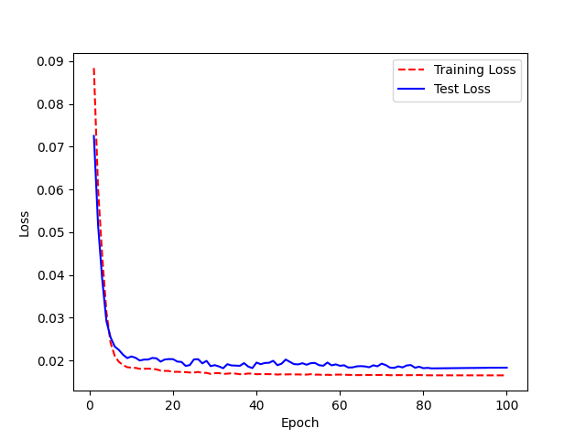
 |  | 2 | 0.703125 | 3 | 29.6875
 |  | 3 | 0.515625 | 4 | 48.4375
 |  | 4 | 0.34375 | 5 | 65.625
 |  | 5 | 0.3125 | 6 | 68.75
 |  | 6 | 0.296875 | 7 | 70.3125
 |  | 7 | 0.234375 | 8 | 76.5625
 |  | 8 | 0.1875 | 9 | 81.25
 |  | 9 | 0.3125 | 10 | 68.75
 |  | 10 | 0.265625 | 11 | 73.4375
 |  | 11 | 0.1875 | 12 | 81.25
 |  | 12 | 0.21875 | 13 | 78.125
 |  | 13 | 0.1875 | 14 | 81.25
 |  | 14 | 0.171875 | 15 | 82.8125
 |  | 15 | 0.203125 | 16 | 79.6875
 |  | 16 | 0.171875 | 17 | 82.8125
 |  | 17 | 0.28125 | 18 | 71.875
model.summary after |  | 18 | 0.265625 | 19 | 73.4375
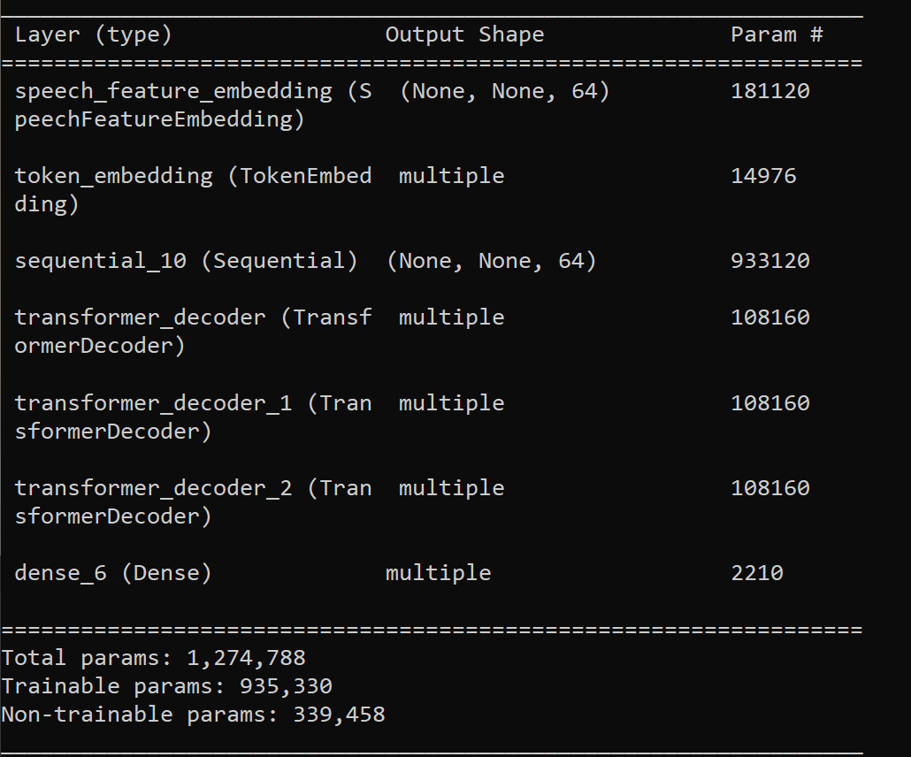
 |  | 19 | 0.234375 | 20 | 76.5625
 |  | 20 | 0.203125 | 21 | 79.6875
 | Accuracy
 | -10.9375
 | 0
 | 29.6875
 | 48.4375
 | 65.625
 | 68.75
 | 70.3125
 | 76.5625
 | 81.25
 | 68.75
 | 73.4375
 | 81.25
 | 78.125
 | 81.25
 | 82.8125
 | 79.6875
 | 82.8125
 | 71.875
 | 73.4375
 | 76.5625
 | 79.6875
 | 75
 | 85.9375
 | 84.375
 | 71.875
 | 82.8125
 | 87.5
 | 81.25
 | 89.0625
 | 81.25
 | 89.0625
 | 87.5
 | 81.25
 | 75
 | 82.8125
 | 89.0625
 | 82.8125
 | 87.5
 | 89.0625
 | 85.9375
 | 90.625
 | 82.8125
 | 85.9375
 | 81.25
 | 85.9375
 | 82.8125
 | 76.5625
 | 82.8125
 | 87.5
 | 84.375
...
 |  | 21 | 0.25 | 22 | 75
 |  | 22 | 0.140625 | 23 | 85.9375
 |  | 23 | 0.15625 | 24 | 84.375
 |  | 24 | 0.28125 | 25 | 71.875
 |  | 25 | 0.171875 | 26 | 82.8125
 |  | 26 | 0.125 | 27 | 87.5
 |  | 27 | 0.1875 | 28 | 81.25
 |  | 28 | 0.109375 | 29 | 89.0625
 |  | 29 | 0.1875 | 30 | 81.25
 |  | 30 | 0.109375 | 31 | 89.0625
 |  | 31 | 0.125 | 32 | 87.5
 |  | 32 | 0.1875 | 33 | 81.25
 |  | 33 | 0.25 | 34 | 75
 |  | 34 | 0.171875 | 35 | 82.8125
 |  | 35 | 0.109375 | 36 | 89.0625
 |  | 36 | 0.171875 | 37 | 82.8125
 |  | 37 | 0.125 | 38 | 87.5
 |  | 38 | 0.109375 | 39 | 89.0625
 |  | 39 | 0.140625 | 40 | 85.9375
 |  | 40 | 0.09375 | 41 | 90.625
 |  | 41 | 0.171875 | 42 | 82.8125
 |  | 42 | 0.140625 | 43 | 85.9375
 |  | 43 | 0.1875 | 44 | 81.25
 |  | 44 | 0.140625 | 45 | 85.9375
 |  | 45 | 0.171875 | 46 | 82.8125
 |  | 46 | 0.234375 | 47 | 76.5625
 |  | 47 | 0.171875 | 48 | 82.8125
 |  | 48 | 0.125 | 49 | 87.5
 |  | 49 | 0.15625 | 50 | 84.375
 |  | 50 | 0.15625 | 51 | 84.375
 |  | 51 | 0.140625 | 52 | 85.9375
 |  | 52 | 0.1875 | 53 | 81.25
 |  | 53 | 0.140625 | 54 | 85.9375
 |  | 54 | 0.171875 | 55 | 82.8125
 |  | 55 | 0.109375 | 56 | 89.0625
 |  | 56 | 0.1875 | 57 | 81.25
 |  | 57 | 0.125 | 58 | 87.5
 |  | 58 | 0.15625 | 59 | 84.375
 |  | 59 | 0.171875 | 60 | 82.8125
 |  | 60 | 0.109375 | 61 | 89.0625
 |  | 61 | 0.0625 | 62 | 93.75
 |  | 62 | 0.078125 | 63 | 92.1875
 |  | 63 | 0.0625 | 64 | 93.75
 |  | 64 | 0.140625 | 65 | 85.9375
 |  | 65 | 0.109375 | 66 | 89.0625
 |  | 66 | 0.09375 | 67 | 90.625
 |  | 67 | 0.15625 | 68 | 84.375
 |  | 68 | 0.09375 | 69 | 90.625
 |  | 69 | 0.171875 | 70 | 82.8125
 |  | 70 | 0.140625 | 71 | 85.9375
 |  | 71 | 0.15625 | 72 | 84.375
 |  | 72 | 0.109375 | 73 | 89.0625
 |  | 73 | 0.125 | 74 | 87.5
 |  | 74 | 0.125 | 75 | 87.5
 |  | 75 | 0.140625 | 76 | 85.9375
 |  | 76 | 0.140625 | 77 | 85.9375
 |  | 77 | 0.171875 | 78 | 82.8125
 |  | 78 | 0.125 | 79 | 87.5
 |  | 79 | 0.125 | 80 | 87.5
 |  | 80 | 0.109375 | 81 | 89.0625
 |  | 81 | 0.109375 | 82 | 89.0625
 |  | 82 | 0.109375 | 83 | 89.0625
 |  | 83 | 0.109375 | 84 | 89.0625
 |  | 84 | 0.109375 | 85 | 89.0625
 |  | 85 | 0.109375 | 86 | 89.0625
 |  | 86 | 0.109375 | 87 | 89.0625
 |  | 87 | 0.109375 | 88 | 89.0625
 |  | 88 | 0.109375 | 89 | 89.0625
 |  | 89 | 0.125 | 90 | 87.5
 |  | 90 | 0.125 | 91 | 87.5
 |  | 91 | 0.125 | 92 | 87.5
 |  | 92 | 0.109375 | 93 | 89.0625
 |  | 93 | 0.109375 | 94 | 89.0625
 |  | 94 | 0.125 | 95 | 87.5
 |  | 95 | 0.09375 | 96 | 90.625
 |  | 96 | 0.09375 | 97 | 90.625
 |  | 97 | 0.109375 | 98 | 89.0625
 |  | 98 | 0.09375 | 99 | 90.625
 |  | 99 | 0.09375 | 100 | 90.625
 |  | <__main__.DisplayOutputs object at 0x7fd1fbdb2550> | 0.09375
 |  | <__main__.DisplayOutputs object at 0x7fd1fbdb2550> | 0.125
 |  | <__main__.DisplayOutputs object at 0x7fd1fbdb2550> | 0.0625
 |  | <__main__.DisplayOutputs object at 0x7fd1fbdb2550> | 0.09375
 |  | <__main__.DisplayOutputs object at 0x7fd1fbdb2550> | 0.0625
 |  | <__main__.DisplayOutputs object at 0x7fd1fbdb2550> | 0.078125
 |  | <__main__.DisplayOutputs object at 0x7fd1fbdb2550> | 0.0625
 |  | <__main__.DisplayOutputs object at 0x7fd1fbdb2550> | 0.125
 |  | <__main__.DisplayOutputs object at 0x7fd1fbdb2550> | 0.03125
 |  | <__main__.DisplayOutputs object at 0x7fd1fbdb2550> | 0.0625
 |  | <__main__.DisplayOutputs object at 0x7fd1fbdb2550> | 0.0625
 |  | <__main__.DisplayOutputs object at 0x7fd1fbdb2550> | 0.046875
 |  | <__main__.DisplayOutputs object at 0x7fd1fbdb2550> | 0.046875
 |  | <__main__.DisplayOutputs object at 0x7fd1fbdb2550> | 0.078125
 |  | <__main__.DisplayOutputs object at 0x7fd1fbdb2550> | 0.078125
 |  | <__main__.DisplayOutputs object at 0x7fd1fbdb2550> | 0.0625
 |  | <__main__.DisplayOutputs object at 0x7fd1fbdb2550> | 0.09375
 |  | <__main__.DisplayOutputs object at 0x7fd1fbdb2550> | 0.09375
 |  | <__main__.DisplayOutputs object at 0x7fd1fbdb2550> | 0.140625
...

Speech PoseC1 + Token + D123
 | Base model: LJ Speech 200 epochs 2.0, WER 88% | Epoch | WER | Epoch | Accuracy
 |  | 0 | 4.875 | 1 | -387.5
 |  | 1 | 2.078125 | 2 | -107.8125
 |  | 2 | 1.203125 | 3 | -20.3125
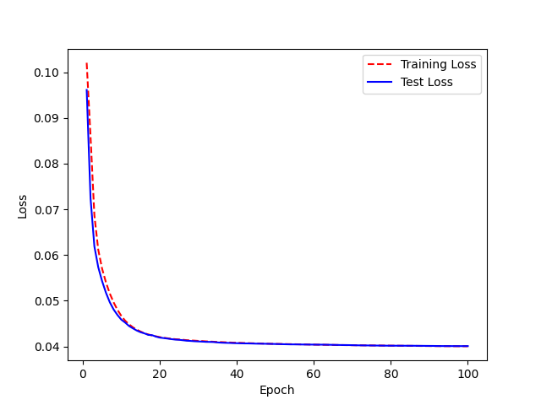
 |  | 3 | 0.984375 | 4 | 1.5625
 |  | 4 | 0.984375 | 5 | 1.5625
 |  | 5 | 1 | 6 | 0
 |  | 6 | 1 | 7 | 0
 |  | 7 | 0.984375 | 8 | 1.5625
 |  | 8 | 0.984375 | 9 | 1.5625
 |  | 9 | 1 | 10 | 0
 |  | 10 | 1 | 11 | 0
 |  | 11 | 1 | 12 | 0
 |  | 12 | 1 | 13 | 0
 |  | 13 | 1 | 14 | 0
 |  | 14 | 0.984375 | 15 | 1.5625
 |  | 15 | 0.984375 | 16 | 1.5625
 |  | 16 | 0.96875 | 17 | 3.125
 |  | 17 | 0.984375 | 18 | 1.5625
model.summary after |  | 18 | 0.984375 | 19 | 1.5625
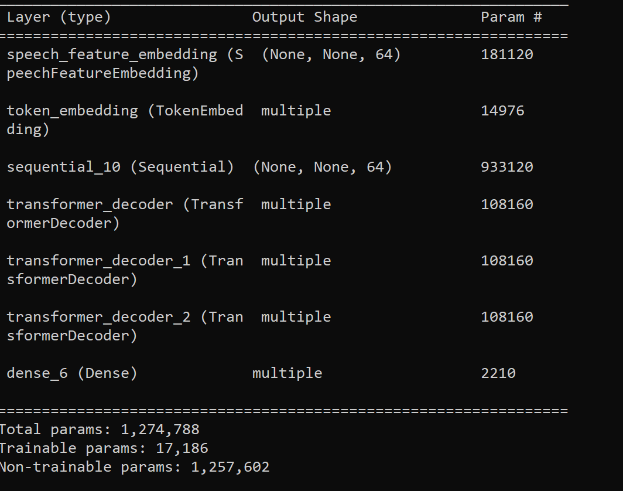
 |  | 19 | 0.984375 | 20 | 1.5625
 |  | 20 | 0.96875 | 21 | 3.125
 |  | 21 | 0.96875 | 22 | 3.125
 |  | 22 | 0.96875 | 23 | 3.125
 |  | 23 | 0.96875 | 24 | 3.125
 |  | 24 | 0.96875 | 25 | 3.125
 |  | 25 | 0.96875 | 26 | 3.125
 |  | 26 | 0.96875 | 27 | 3.125
 |  | 27 | 0.96875 | 28 | 3.125
 |  | 28 | 0.96875 | 29 | 3.125
 |  | 29 | 0.96875 | 30 | 3.125
...

